Au4f Scan
 |  |  |  |  | Acquisition Parameters :

 |  |  |  |  | Parameter
 |  |  |  |  | Total acquisition time | 10.1 secs
 |  |  |  |  | Number of Scans | 1
﻿ |  |  |  |  | Source Gun Type | Al K Alpha
Axis | Energy | Elements= | 201 |  | Spot Size | 400 µm
 |  |  |  |  | Lens Mode | Standard
C:\Users\gwilh\OneDrive - Imperial College London\Documents\MEGAsync\Experiment\24c22_Lin_ShiYang\C P-OH-NR2 wiB.DATA\Au4f Scan_0.VGD |  |  |  |  | Analyser Mode | CAE : Pass Energy 35.0 eV
 |  |  |  |  | Energy Step Size | 0.100 eV
 |  |  |  |  | Number of Energy Steps | 201

Binding Energy (E) |  |  |  | Au4f7 | Au4f5 | Backgnd. | Envelope | Residuals
eV |  | Counts / s |  | Counts / s | Counts / s | Counts / s | Counts / s | Counts / s (Residuals 5)
99.08 |  | 66723.4 |  | 0 | 0 | 0 | 66723.4 | 0
98.98 |  | 66555.4 |  | 0 | 0 | 0 | 66555.4 | 0
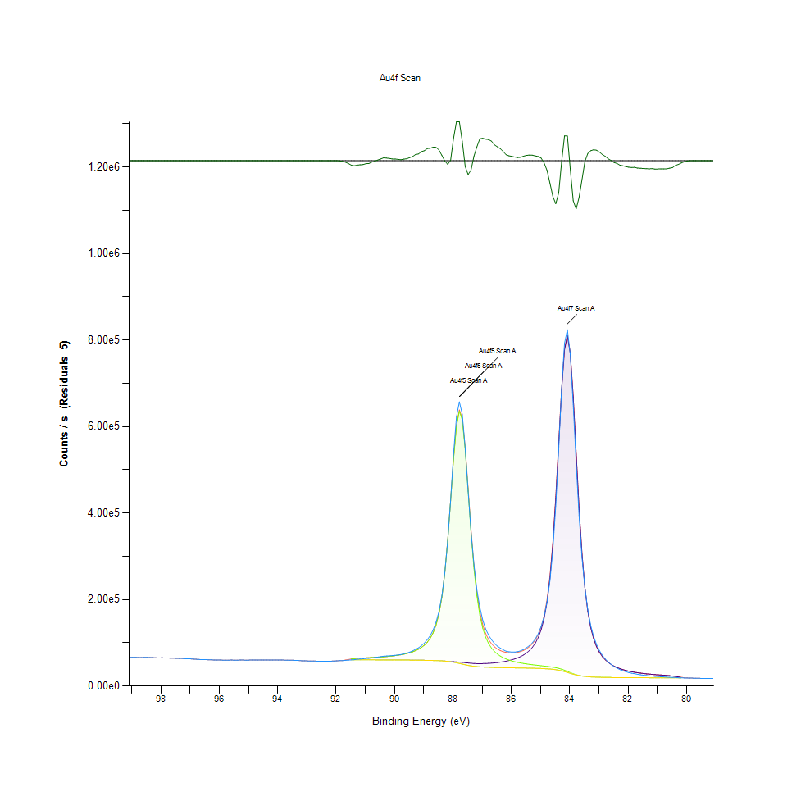
98.88 |  | 66460 |  | 0 | 0 | 0 | 66460 | 0
98.78 |  | 66143.7 |  | 0 | 0 | 0 | 66143.7 | 0
98.68 |  | 66151.1 |  | 0 | 0 | 0 | 66151.1 | 0
98.58 |  | 66356.1 |  | 0 | 0 | 0 | 66356.1 | 0
98.48 |  | 66375.3 |  | 0 | 0 | 0 | 66375.3 | 0
98.38 |  | 66052.5 |  | 0 | 0 | 0 | 66052.5 | 0
98.28 |  | 65807.2 |  | 0 | 0 | 0 | 65807.2 | 0
98.18 |  | 65410.4 |  | 0 | 0 | 0 | 65410.4 | 0
98.08 |  | 64903.5 |  | 0 | 0 | 0 | 64903.5 | 0
97.98 |  | 65346.1 |  | 0 | 0 | 0 | 65346.1 | 0
97.88 |  | 65094.6 |  | 0 | 0 | 0 | 65094.6 | 0
97.78 |  | 65083.2 |  | 0 | 0 | 0 | 65083.2 | 0
97.68 |  | 64645.6 |  | 0 | 0 | 0 | 64645.6 | 0
97.58 |  | 64683.1 |  | 0 | 0 | 0 | 64683.1 | 0
97.48 |  | 64153.9 |  | 0 | 0 | 0 | 64153.9 | 0
97.38 |  | 63821.6 |  | 0 | 0 | 0 | 63821.6 | 0
97.28 |  | 63931.5 |  | 0 | 0 | 0 | 63931.5 | 0
97.18 |  | 63350.8 |  | 0 | 0 | 0 | 63350.8 | 0
97.08 |  | 62987.6 |  | 0 | 0 | 0 | 62987.6 | 0
96.98 |  | 62878.7 |  | 0 | 0 | 0 | 62878.7 | 0
96.88 |  | 62382.7 |  | 0 | 0 | 0 | 62382.7 | 0
96.78 |  | 61909.4 |  | 0 | 0 | 0 | 61909.4 | 0
96.68 |  | 61449.2 |  | 0 | 0 | 0 | 61449.2 | 0
96.58 |  | 61253.4 |  | 0 | 0 | 0 | 61253.4 | 0
96.48 |  | 61079.3 |  | 0 | 0 | 0 | 61079.3 | 0
96.38 |  | 60902.1 |  | 0 | 0 | 0 | 60902.1 | 0
96.28 |  | 60727.9 |  | 0 | 0 | 0 | 60727.9 | 0
96.18 |  | 60291.1 |  | 0 | 0 | 0 | 60291.1 | 0
96.08 |  | 60040 |  | 0 | 0 | 0 | 60040 | 0
95.98 |  | 60241.7 |  | 0 | 0 | 0 | 60241.7 | 0
95.88 |  | 59970.7 |  | 0 | 0 | 0 | 59970.7 | 0
95.78 |  | 59938 |  | 0 | 0 | 0 | 59938 | 0
95.68 |  | 59887.3 |  | 0 | 0 | 0 | 59887.3 | 0
95.58 |  | 60144.5 |  | 0 | 0 | 0 | 60144.5 | 0
95.48 |  | 59798.6 |  | 0 | 0 | 0 | 59798.6 | 0
95.38 |  | 59935.6 |  | 0 | 0 | 0 | 59935.6 | 0
95.28 |  | 60219.1 |  | 0 | 0 | 0 | 60219.1 | 0
95.18 |  | 60213.2 |  | 0 | 0 | 0 | 60213.2 | 0
95.08 |  | 59845 |  | 0 | 0 | 0 | 59845 | 0
94.98 |  | 60080.4 |  | 0 | 0 | 0 | 60080.4 | 0
94.88 |  | 60275.4 |  | 0 | 0 | 0 | 60275.4 | 0
94.78 |  | 60176.7 |  | 0 | 0 | 0 | 60176.7 | 0
94.68 |  | 60101.5 |  | 0 | 0 | 0 | 60101.5 | 0
94.58 |  | 60235.2 |  | 0 | 0 | 0 | 60235.2 | 0
94.48 |  | 60181.1 |  | 0 | 0 | 0 | 60181.1 | 0
94.38 |  | 60301.9 |  | 0 | 0 | 0 | 60301.9 | 0
94.28 |  | 60093.2 |  | 0 | 0 | 0 | 60093.2 | 0
94.18 |  | 60149.4 |  | 0 | 0 | 0 | 60149.4 | 0
94.08 |  | 60256.5 |  | 0 | 0 | 0 | 60256.5 | 0
93.98 |  | 60088 |  | 0 | 0 | 0 | 60088 | 0
93.88 |  | 60259.2 |  | 0 | 0 | 0 | 60259.2 | 0
93.78 |  | 60064 |  | 0 | 0 | 0 | 60064 | 0
93.68 |  | 59897.6 |  | 0 | 0 | 0 | 59897.6 | 0
93.58 |  | 59588.6 |  | 0 | 0 | 0 | 59588.6 | 0
93.48 |  | 59701.9 |  | 0 | 0 | 0 | 59701.9 | 0
93.38 |  | 59158 |  | 0 | 0 | 0 | 59158 | 0
93.28 |  | 59127.9 |  | 0 | 0 | 0 | 59127.9 | 0
93.18 |  | 58531.3 |  | 0 | 0 | 0 | 58531.3 | 0
93.08 |  | 58562.4 |  | 0 | 0 | 0 | 58562.4 | 0
92.98 |  | 58184.7 |  | 0 | 0 | 0 | 58184.7 | -3.12E-09
92.88 |  | 57913.7 |  | 0 | 0 | 0 | 57913.7 | -8.90E-08
92.78 |  | 58002.8 |  | 0 | 0 | 0 | 58002.8 | -2.01E-06
92.68 |  | 57737.5 |  | 0 | 0 | 0 | 57737.5 | -3.62E-05
92.58 |  | 57550.6 |  | 0 | 0 | 0 | 57550.6 | -0.000520663
92.48 |  | 57255.6 |  | 0 | 0 | 0 | 57255.6 | -0.00599819
92.38 |  | 57558 |  | 0 | 0 | 0 | 57558.1 | -0.0553464
92.28 |  | 57584 |  | 0 | 0 | 0 | 57584.4 | -0.409681
92.18 |  | 57515.4 |  | 0 | 0 | 0 | 57517.8 | -2.43778
92.08 |  | 57929.5 |  | 0 | 0 | 0 | 57941.2 | -11.6935
91.98 |  | 58272.7 |  | 0 | 0 | 0 | 58318.1 | -45.3878
91.88 |  | 58875.9 |  | 0 | 0 | 0 | 59019.2 | -143.293
91.78 |  | 58715.6 |  | 0 | 0 | 0 | 59086.2 | -370.613
91.68 |  | 59480 |  | 0 | 0 | 0 | 60273.2 | -793.178
91.58 |  | 59954.4 |  | 0 | 0 | 0 | 61378.7 | -1424.36
91.48 |  | 60550.8 |  | 60589 | 62776.5 | 60589 | 62776.5 | -2225.72
91.38 |  | 60999.9 |  | 60580.2 | 63525.8 | 60580.2 | 63525.8 | -2525.86
91.28 |  | 61960.2 |  | 60570.2 | 64155.5 | 60570.2 | 64155.5 | -2195.3
91.18 |  | 62616.4 |  | 60559.2 | 64634.5 | 60559.2 | 64634.5 | -2018.19
91.08 |  | 63084.6 |  | 60546.3 | 65002 | 60546.3 | 65002 | -1917.43
90.98 |  | 63813.8 |  | 60531.4 | 65318.8 | 60531.4 | 65318.8 | -1504.98
90.88 |  | 64231.8 |  | 60514.6 | 65630.8 | 60514.6 | 65630.8 | -1399
90.78 |  | 65240.7 |  | 60495.6 | 65963 | 60495.6 | 65963 | -722.282
90.68 |  | 66075.4 |  | 60474.3 | 66327 | 60474.3 | 66327 | -251.619
90.58 |  | 66997.3 |  | 60450.5 | 66730.3 | 60450.5 | 66730.3 | 267.003
90.48 |  | 67962.9 |  | 60423.9 | 67179.2 | 60423.9 | 67179.2 | 783.663
90.38 |  | 69005.1 |  | 60394.6 | 67682 | 60394.6 | 67682 | 1323.11
90.28 |  | 69486.4 |  | 60363.1 | 68248.1 | 60363.1 | 68248.1 | 1238.32
90.18 |  | 69937.6 |  | 60329.4 | 68889 | 60329.4 | 68889 | 1048.62
90.08 |  | 70429 |  | 60293.7 | 69618.8 | 60293.7 | 69618.8 | 810.152
89.98 |  | 71227 |  | 60256.1 | 70454.8 | 60256.1 | 70454.8 | 772.256
89.88 |  | 71996.6 |  | 60216.4 | 71418.1 | 60216.4 | 71418.1 | 578.527
89.78 |  | 72969.3 |  | 60173.8 | 72535.1 | 60173.8 | 72535.1 | 434.179
89.68 |  | 74567.8 |  | 60127.7 | 73839.8 | 60127.7 | 73839.8 | 727.956
89.58 |  | 76281.1 |  | 60077.2 | 75376.1 | 60077.2 | 75376.1 | 905.071
89.48 |  | 78676.6 |  | 60021.1 | 77201.6 | 60021.1 | 77201.6 | 1475.05
89.38 |  | 81390.7 |  | 59957.8 | 79393.4 | 59957.8 | 79393.4 | 1997.4
89.28 |  | 85031.4 |  | 59886.4 | 82057.2 | 59886.4 | 82057.2 | 2974.15
89.18 |  | 88542.6 |  | 59804.6 | 85339.6 | 59804.6 | 85339.6 | 3203.02
89.08 |  | 93799.5 |  | 59710.6 | 89450.1 | 59710.6 | 89450.1 | 4349.46
88.98 |  | 99489.8 |  | 59601.4 | 94694.7 | 59601.4 | 94694.7 | 4795.13
88.88 |  | 107392 |  | 59473.8 | 101536 | 59473.8 | 101536 | 5855.68
88.78 |  | 116666 |  | 59322 | 110695 | 59322 | 110695 | 5971.27
88.68 |  | 129869 |  | 59139 | 123321 | 59138.9 | 123321 | 6548.42
88.58 |  | 147683 |  | 58914.2 | 141265 | 58913.4 | 141266 | 6417
88.48 |  | 172561 |  | 58633.9 | 167417 | 58629.4 | 167422 | 5138.94
88.38 |  | 208376 |  | 58282.3 | 205870 | 58261.7 | 205890 | 2485.63
88.28 |  | 261202 |  | 57852.2 | 261284 | 57775.4 | 261360 | -158.812
88.18 |  | 334930 |  | 57359.6 | 336553 | 57126.4 | 336786 | -1855.66
88.08 |  | 429296 |  | 56848.1 | 428569 | 56267.3 | 429150 | 145.722
87.98 |  | 536161 |  | 56368.9 | 524207 | 55168.8 | 525407 | 10754.1
87.88 |  | 621852 |  | 55927.8 | 600963 | 53840.4 | 603050 | 18801.6
87.78 |  | 657198 |  | 55458.8 | 635278 | 52340.4 | 638396 | 18801.8
87.68 |  | 628343 |  | 54875.4 | 614997 | 50767.8 | 619104 | 9239.17
87.58 |  | 548801 |  | 54161.5 | 546744 | 49240.2 | 551665 | -2863.95
87.48 |  | 450663 |  | 53401.1 | 451896 | 47860.8 | 457436 | -6773.35
87.38 |  | 356158 |  | 52722.6 | 354641 | 46693.9 | 360670 | -4511.73
87.28 |  | 280213 |  | 52223 | 271555 | 45756.7 | 278021 | 2191.41
87.18 |  | 222157 |  | 51935.9 | 208596 | 45027.2 | 215505 | 6652.17
87.08 |  | 182139 |  | 51851.2 | 164200 | 44466.6 | 171585 | 10554.4
86.98 |  | 152570 |  | 51941.5 | 133837 | 44033.1 | 141746 | 10824.6
86.88 |  | 131922 |  | 52181.1 | 113035 | 43691.5 | 121524 | 10397.1
86.78 |  | 117787 |  | 52552.2 | 98466.4 | 43414.8 | 107604 | 10183.2
86.68 |  | 107221 |  | 53047.9 | 87951.7 | 43185.4 | 97814.2 | 9406.61
86.58 |  | 98449.3 |  | 53667.7 | 80127 | 42989.8 | 90804.9 | 7644.4
86.48 |  | 92428.7 |  | 54418.1 | 74141.8 | 42818.9 | 85741 | 6687.76
86.38 |  | 87893.4 |  | 55312.7 | 69454.3 | 42666.9 | 82100.1 | 5793.36
86.28 |  | 83938.2 |  | 56371 | 65708.7 | 42529.7 | 79550.1 | 4388.14
86.18 |  | 80711.5 |  | 57619 | 62662.6 | 42403.1 | 77878.5 | 2833.02
86.08 |  | 79269.9 |  | 59091.2 | 60146.8 | 42283.9 | 76954.1 | 2315.87
85.98 |  | 78760 |  | 60833.6 | 58040.1 | 42169.6 | 76704.1 | 2055.91
85.88 |  | 78821.3 |  | 62906.2 | 56253.3 | 42057.5 | 77102 | 1719.31
85.78 |  | 79651.7 |  | 65389 | 54718.8 | 41944.5 | 78163.3 | 1488.36
85.68 |  | 81573.6 |  | 68390.3 | 53385.3 | 41828 | 79947.6 | 1626.01
85.58 |  | 84744.7 |  | 72059.3 | 52212.5 | 41705.5 | 82566.4 | 2178.31
85.48 |  | 88728.9 |  | 76604.7 | 51168.3 | 41574 | 86198.9 | 2529.99
85.38 |  | 93819.9 |  | 82325.7 | 50226.2 | 41430.3 | 91121.7 | 2698.2
85.28 |  | 100364 |  | 89663.8 | 49364.1 | 41270.4 | 97757.5 | 2606.81
85.18 |  | 109027 |  | 99289.3 | 48561.7 | 41089.2 | 106762 | 2265.55
85.08 |  | 121149 |  | 112251 | 47799.8 | 40879.3 | 119172 | 1976.88
84.98 |  | 137854 |  | 130233 | 47058.1 | 40630.5 | 136660 | 1193.42
84.88 |  | 160814 |  | 155935 | 46312.7 | 40327.1 | 161920 | -1106.89
84.78 |  | 194414 |  | 193521 | 45533.5 | 39946 | 199109 | -4694.91
84.68 |  | 243074 |  | 248716 | 44679.1 | 39452.7 | 253942 | -10868.3
84.58 |  | 315156 |  | 327607 | 43690.4 | 38798.2 | 332500 | -17343.7
84.48 |  | 416670 |  | 433000 | 42486 | 37920.7 | 437565 | -20895.2
84.38 |  | 547005 |  | 558480 | 40965.6 | 36758.6 | 562687 | -15682.6
84.28 |  | 686810 |  | 683758 | 39037.3 | 35278.4 | 687517 | -706.686
84.18 |  | 792542 |  | 777389 | 36671.1 | 33502.8 | 780557 | 11984.8
84.08 |  | 823973 |  | 809630 | 33961.6 | 31522.2 | 812070 | 11903.3
83.98 |  | 766125 |  | 768785 | 31139.7 | 29477.4 | 770447 | -4322.48
83.88 |  | 649899 |  | 668389 | 28501.1 | 27525.2 | 669364 | -19465.4
83.78 |  | 516073 |  | 539030 | 26279.6 | 25796.2 | 539514 | -23440.2
83.68 |  | 394188 |  | 411819 | 24563.7 | 24364.8 | 412018 | -17829.2
83.58 |  | 296903 |  | 306091 | 23306 | 23238.7 | 306158 | -9255.42
83.48 |  | 226978 |  | 227380 | 22399.9 | 22381.4 | 227399 | -421.335
83.38 |  | 175891 |  | 172389 | 21741.7 | 21737.6 | 172394 | 3497.44
83.28 |  | 139672 |  | 134870 | 21253.3 | 21252.5 | 134871 | 4801.27
83.18 |  | 114352 |  | 109105 | 20881.4 | 20881.3 | 109105 | 5246.13
83.08 |  | 96005.6 |  | 90982 | 20592.3 | 20592.3 | 90982 | 5023.61
82.98 |  | 81935.3 |  | 77840.6 | 20362.7 | 20362.7 | 77840.6 | 4094.69
82.88 |  | 70939.2 |  | 68024.1 | 20176.7 | 20176.7 | 68024.1 | 2915.04
82.78 |  | 62545.2 |  | 60496.4 | 20024 | 20024 | 60496.4 | 2048.81
82.68 |  | 55421.4 |  | 54593.4 | 19897.3 | 19897.3 | 54593.4 | 828.051
82.58 |  | 49911.5 |  | 49875.9 | 19791.4 | 19791.4 | 49875.9 | 35.5437
82.48 |  | 45084.1 |  | 46044.3 | 19702.1 | 19702.1 | 46044.3 | -960.139
82.38 |  | 41512.2 |  | 42888.8 | 19626.6 | 19626.6 | 42888.8 | -1376.58
82.28 |  | 38045.9 |  | 40258.3 | 19562.3 | 19562.3 | 40258.3 | -2212.4
82.18 |  | 35552.6 |  | 38042 | 19507.3 | 19507.3 | 38042 | -2489.37
82.08 |  | 33271.8 |  | 36157.1 | 19460.1 | 19460.1 | 36157.1 | -2885.27
81.98 |  | 31317.2 |  | 34540.5 | 19419.6 | 19419.6 | 34540.5 | -3223.26
81.88 |  | 29771.2 |  | 33143.2 | 19384.2 | 19384.2 | 33143.2 | -3371.95
81.78 |  | 28680.5 |  | 31927.4 | 19353.6 | 19353.6 | 31927.4 | -3246.95
81.68 |  | 27235.5 |  | 30863 | 19326.9 | 19326.9 | 30863 | -3627.48
81.58 |  | 26228.9 |  | 29925.7 | 19303.6 | 19303.6 | 29925.7 | -3696.84
81.48 |  | 25269.6 |  | 29096.3 | 19283.3 | 19283.3 | 29096.3 | -3826.67
81.38 |  | 24477 |  | 28359 | 19265.8 | 19265.8 | 28359 | -3882.04
81.28 |  | 23689.7 |  | 27700.6 | 19250.5 | 19250.5 | 27700.6 | -4010.86
81.18 |  | 23255 |  | 27110.2 | 19237.4 | 19237.4 | 27110.2 | -3855.25
81.08 |  | 22467.5 |  | 26578.5 | 19226 | 19226 | 26578.5 | -4111.04
80.98 |  | 22028.8 |  | 26095.5 | 19216.3 | 19216.3 | 26095.5 | -4066.72
80.88 |  | 21605.6 |  | 25646.3 | 19208 | 19208 | 25646.3 | -4040.74
80.78 |  | 21175 |  | 25200.5 | 19201.1 | 19201.1 | 25200.5 | -4025.54
80.68 |  | 20719.3 |  | 24700.5 | 19195.4 | 19195.4 | 24700.5 | -3981.2
80.58 |  | 20416.2 |  | 24065.8 | 19190.9 | 19190.9 | 24065.8 | -3649.67
80.48 |  | 19847.4 |  | 23235.5 | 19187.4 | 19187.4 | 23235.5 | -3388.08
80.38 |  | 19896.6 |  | 22236 | 19184.9 | 19184.9 | 22236 | -2339.38
80.28 |  | 19352 |  | 21206.7 | 19182.9 | 19182.9 | 21206.7 | -1854.76
80.18 |  | 19178.5 |  | 20332.8 | 19181.5 | 19181.5 | 20332.8 | -1154.29
80.08 |  | 18714.1 |  | 0 | 0 | 0 | 19264.9 | -550.749
79.98 |  | 18766.1 |  | 0 | 0 | 0 | 18984.4 | -218.345
79.88 |  | 18434.2 |  | 0 | 0 | 0 | 18505.2 | -70.9944
79.78 |  | 18376.7 |  | 0 | 0 | 0 | 18395.5 | -18.7908
79.68 |  | 18207.8 |  | 0 | 0 | 0 | 18211.8 | -4.02679
79.58 |  | 18031.4 |  | 0 | 0 | 0 | 18032.1 | -0.695922
79.48 |  | 17813.4 |  | 0 | 0 | 0 | 17813.5 | -0.0967143
79.38 |  | 17807 |  | 0 | 0 | 0 | 17807.1 | -0.0107848
79.28 |  | 17694.2 |  | 0 | 0 | 0 | 17694.2 | -0.000963417
79.18 |  | 17631.8 |  | 0 | 0 | 0 | 17631.8 | -6.89E-05
79.08 |  | 17351.2 |  | 0 | 0 | 0 | 17351.2 | -3.93E-06

S2p Scan
 |  |  |  |  |  | Acquisition Parameters :

 |  |  |  |  |  | Parameter
 |  |  |  |  |  | Total acquisition time | 1 mins 44.8 secs
 |  |  |  |  |  | Number of Scans | 16
﻿ |  |  |  |  |  | Source Gun Type | Al K Alpha
Axis | Energy | Elements= | 131 |  |  | Spot Size | 400 µm
 |  |  |  |  |  | Lens Mode | Standard
C:\Users\gwilh\OneDrive - Imperial College London\Documents\MEGAsync\Experiment\24c22_Lin_ShiYang\C P-OH-NR2 wiB.DATA\S2p Scan_0.VGD |  |  |  |  |  | Analyser Mode | CAE : Pass Energy 35.0 eV
 |  |  |  |  |  | Energy Step Size | 0.100 eV
 |  |  |  |  |  | Number of Energy Steps | 131

Binding Energy (E) |  |  |  | S2p3 Au-S | S2p1 Au-S | S2p3 Au-S-R | S2p1 Au-S-R | Backgnd. | Envelope | Residuals
eV |  | Counts / s |  | Counts / s | Counts / s | Counts / s | Counts / s | Counts / s | Counts / s | Counts / s (Residuals 4)
170.08 |  | 59014.6 |  | 0 | 0 | 0 | 0 | 59058.7 | 59014.6 | 0
169.98 |  | 59069 |  | 0 | 0 | 0 | 0 | 59068.7 | 59069 | 0
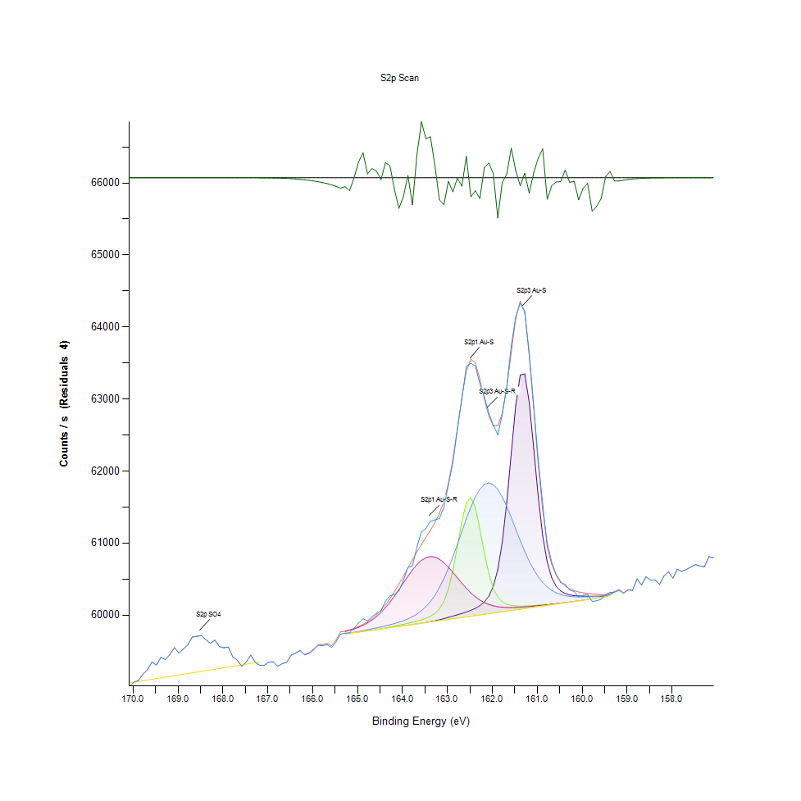
169.88 |  | 59092.4 |  | 0 | 0 | 0 | 0 | 59078.6 | 59092.4 | 0
169.78 |  | 59180.5 |  | 0 | 0 | 0 | 0 | 59088.6 | 59180.5 | -4.58E-11
169.68 |  | 59240.9 |  | 0 | 0 | 0 | 0 | 59098.6 | 59240.9 | -1.57E-10
169.58 |  | 59348 |  | 0 | 0 | 0 | 0 | 59108.6 | 59348 | -4.93E-10
169.48 |  | 59307.1 |  | 0 | 0 | 0 | 0 | 59118.6 | 59307.1 | -1.59E-09
169.38 |  | 59413.6 |  | 0 | 0 | 0 | 0 | 59128.5 | 59413.6 | -5.08E-09
169.28 |  | 59383 |  | 0 | 0 | 0 | 0 | 59138.5 | 59383 | -1.55E-08
169.18 |  | 59453.6 |  | 0 | 0 | 0 | 0 | 59148.5 | 59453.6 | -4.61E-08
169.08 |  | 59549.2 |  | 0 | 0 | 0 | 0 | 59158.5 | 59549.2 | -1.33E-07
168.98 |  | 59471.5 |  | 0 | 0 | 0 | 0 | 59168.5 | 59471.5 | -3.70E-07
168.88 |  | 59528.2 |  | 0 | 0 | 0 | 0 | 59178.5 | 59528.2 | -1.00E-06
168.78 |  | 59589.1 |  | 0 | 0 | 0 | 0 | 59188.4 | 59589.1 | -2.62E-06
168.68 |  | 59694.7 |  | 0 | 0 | 0 | 0 | 59198.4 | 59694.7 | -6.67E-06
168.58 |  | 59706 |  | 0 | 0 | 0 | 0 | 59208.4 | 59706 | -1.64E-05
168.48 |  | 59716 |  | 0 | 0 | 0 | 0 | 59218.4 | 59716 | -3.93E-05
168.38 |  | 59658.7 |  | 0 | 0 | 0 | 0 | 59228.4 | 59658.7 | -9.09E-05
168.28 |  | 59608.3 |  | 0 | 0 | 0 | 0 | 59238.3 | 59608.3 | -0.000204282
168.18 |  | 59652.9 |  | 0 | 0 | 0 | 0 | 59248.3 | 59652.9 | -0.000445117
168.08 |  | 59564 |  | 0 | 0 | 0 | 0 | 59258.3 | 59564 | -0.000940833
167.98 |  | 59545.8 |  | 0 | 0 | 0 | 0 | 59268.3 | 59545.8 | -0.00192934
167.88 |  | 59556.1 |  | 0 | 0 | 0 | 0 | 59278.3 | 59556.1 | -0.00383914
167.78 |  | 59420.1 |  | 0 | 0 | 0 | 0 | 59288.3 | 59420.1 | -0.0074143
167.68 |  | 59373.4 |  | 0 | 0 | 0 | 0 | 59298.2 | 59373.4 | -0.0138997
167.58 |  | 59289.4 |  | 0 | 0 | 0 | 0 | 59308.2 | 59289.4 | -0.0253014
167.48 |  | 59349.9 |  | 0 | 0 | 0 | 0 | 59318.2 | 59349.9 | -0.0447301
167.38 |  | 59444.2 |  | 0 | 0 | 0 | 0 | 59328.2 | 59444.3 | -0.076825
167.28 |  | 59345.1 |  | 0 | 0 | 0 | 0 | 59338.2 | 59345.2 | -0.128233
167.18 |  | 59301.6 |  | 0 | 0 | 0 | 0 | 59348.1 | 59301.8 | -0.208097
167.08 |  | 59303.5 |  | 0 | 0 | 0 | 0 | 0 | 59303.8 | -0.328468
166.98 |  | 59346.3 |  | 0 | 0 | 0 | 0 | 0 | 59346.8 | -0.504554
166.88 |  | 59352.4 |  | 0 | 0 | 0 | 0 | 0 | 59353.2 | -0.754696
166.78 |  | 59288.6 |  | 0 | 0 | 0 | 0 | 0 | 59289.7 | -1.09999
166.68 |  | 59324.4 |  | 0 | 0 | 0 | 0 | 0 | 59326 | -1.56358
166.58 |  | 59344 |  | 0 | 0 | 0 | 0 | 0 | 59346.2 | -2.16957
166.48 |  | 59442.5 |  | 0 | 0 | 0 | 0 | 0 | 59445.5 | -2.94204
166.38 |  | 59470.4 |  | 0 | 0 | 0 | 0 | 0 | 59474.3 | -3.90405
166.28 |  | 59506.1 |  | 0 | 0 | 0 | 0 | 0 | 59511.2 | -5.07755
166.18 |  | 59446.3 |  | 0 | 0 | 0 | 0 | 0 | 59452.8 | -6.48422
166.08 |  | 59468.2 |  | 0 | 0 | 0 | 0 | 0 | 59476.4 | -8.14801
165.98 |  | 59515.8 |  | 0 | 0 | 0 | 0 | 0 | 59525.9 | -10.0995
165.88 |  | 59579.1 |  | 0 | 0 | 0 | 0 | 0 | 59591.5 | -12.3827
165.78 |  | 59575.9 |  | 0 | 0 | 0 | 0 | 0 | 59591 | -15.0641
165.68 |  | 59588.9 |  | 0 | 0 | 0 | 0 | 0 | 59607.1 | -18.2446
165.58 |  | 59551.6 |  | 0 | 0 | 0 | 0 | 0 | 59573.7 | -22.074
165.48 |  | 59626.9 |  | 0 | 0 | 0 | 0 | 0 | 59653.7 | -26.7698
165.38 |  | 59735.6 |  | 0 | 0 | 0 | 0 | 0 | 59768.2 | -32.6379
165.28 |  | 59748.8 |  | 59736.5 | 59736.5 | 59740.9 | 59772.3 | 59736.5 | 59776.6 | -27.854
165.18 |  | 59754.6 |  | 59745.4 | 59745.4 | 59751.3 | 59789.3 | 59745.4 | 59795.1 | -40.4796
165.08 |  | 59816.8 |  | 59754.3 | 59754.3 | 59762 | 59808.7 | 59754.3 | 59816.5 | 0.350077
164.98 |  | 59890.9 |  | 59763.1 | 59763.2 | 59773.2 | 59831.5 | 59763.1 | 59841.6 | 49.2947
164.88 |  | 59949.7 |  | 59772 | 59772.1 | 59784.8 | 59858.8 | 59772 | 59871.6 | 78.0777
164.78 |  | 59919.7 |  | 59780.9 | 59781 | 59796.9 | 59891.7 | 59780.9 | 59907.8 | 11.8887
164.68 |  | 59980.2 |  | 59789.8 | 59790.2 | 59809.4 | 59931.5 | 59789.8 | 59951.7 | 28.5029
164.58 |  | 60025 |  | 59798.6 | 59799.8 | 59822.6 | 59979.5 | 59798.6 | 60004.6 | 20.3498
164.48 |  | 60062 |  | 59807.5 | 59810.2 | 59836.3 | 60036.6 | 59807.5 | 60068.1 | -6.13985
164.38 |  | 60190.6 |  | 59816.4 | 59821.6 | 59850.8 | 60103.4 | 59816.4 | 60143.1 | 47.4551
164.28 |  | 60266.4 |  | 59825.2 | 59833.9 | 59866.4 | 60179.7 | 59825.2 | 60229.6 | 36.8859
164.18 |  | 60288.9 |  | 59834.1 | 59847 | 59883.2 | 60264.4 | 59834.1 | 60326.5 | -37.5173
164.08 |  | 60336.4 |  | 59843 | 59860.3 | 59902 | 60355.4 | 59843 | 60431.7 | -95.357
163.98 |  | 60485 |  | 59851.8 | 59873.7 | 59923.4 | 60449.2 | 59851.8 | 60542.5 | -57.5598
163.88 |  | 60662.9 |  | 59860.7 | 59887.2 | 59948.4 | 60541.5 | 59860.7 | 60655.8 | 7.09116
163.78 |  | 60683.9 |  | 59869.6 | 59901.4 | 59978.4 | 60627.5 | 59869.6 | 60768.2 | -84.2836
163.68 |  | 60949 |  | 59878.6 | 59916.9 | 60015.2 | 60701.9 | 59878.4 | 60877.2 | 71.7505
163.58 |  | 61155.6 |  | 59887.7 | 59934.5 | 60060.9 | 60759.9 | 59887.3 | 60981.1 | 174.487
163.48 |  | 61202 |  | 59897.4 | 59955.9 | 60117.8 | 60797.8 | 59896.2 | 61080.3 | 121.654
163.38 |  | 61306.1 |  | 59908.2 | 59983.7 | 60188.5 | 60813.2 | 59905 | 61178.5 | 127.674
163.28 |  | 61321.6 |  | 59920.6 | 60023.6 | 60275.6 | 60805.6 | 59913.9 | 61283.6 | 37.9562
163.18 |  | 61341.8 |  | 59935 | 60086.5 | 60381 | 60776.3 | 59922.8 | 61410.4 | -68.6819
163.08 |  | 61497.5 |  | 59951.3 | 60191.1 | 60505.7 | 60728.4 | 59931.6 | 61581.5 | -84.0422
162.98 |  | 61814 |  | 59968.7 | 60362.4 | 60649.5 | 60666.1 | 59940.5 | 61825.1 | -11.1235
162.88 |  | 62119 |  | 59986.6 | 60620 | 60810.1 | 60594.4 | 59949.4 | 62162.9 | -43.8526
162.78 |  | 62584.2 |  | 60004.5 | 60953.9 | 60983 | 60518.6 | 59958.3 | 62585.2 | -1.00336
162.68 |  | 63002.9 |  | 60023 | 61302.6 | 61161.8 | 60443.3 | 59967.1 | 63029.3 | -26.4086
162.58 |  | 63453 |  | 60043 | 61561.5 | 61337.6 | 60372.4 | 59976 | 63386.6 | 66.4053
162.48 |  | 63495.4 |  | 60066.1 | 61633.7 | 61500.7 | 60308.9 | 59984.9 | 63554.8 | -59.3395
162.38 |  | 63460 |  | 60094.2 | 61492.4 | 61640.6 | 60254.4 | 59993.7 | 63500.4 | -40.4127
162.28 |  | 63215.5 |  | 60131 | 61199.8 | 61747.8 | 60209.5 | 60002.6 | 63280.3 | -64.7918
162.18 |  | 63032.7 |  | 60183 | 60864.1 | 61814.7 | 60174.2 | 60011.5 | 63001.6 | 31.1106
162.08 |  | 62809.3 |  | 60264 | 60575.7 | 61836.6 | 60147.7 | 60020.3 | 62763 | 46.3057
161.98 |  | 62639.3 |  | 60399.6 | 60373.1 | 61812.5 | 60128.8 | 60029.2 | 62626.4 | 12.8172
161.88 |  | 62504.1 |  | 60631.7 | 60250.7 | 61745.1 | 60116.2 | 60038.1 | 62629.6 | -125.475
161.78 |  | 62788.7 |  | 61011 | 60184.2 | 61640.3 | 60108.8 | 60046.9 | 62803.6 | -14.8809
161.68 |  | 63172.5 |  | 61565.9 | 60150.5 | 61506.9 | 60105.3 | 60055.8 | 63161.1 | 11.3811
161.58 |  | 63742.7 |  | 62250.7 | 60134.3 | 61354.7 | 60104.8 | 60064.7 | 63650.5 | 92.1642
161.48 |  | 64142.7 |  | 62913 | 60127.4 | 61194.2 | 60106.4 | 60073.5 | 64120.4 | 22.2355
161.38 |  | 64332.5 |  | 63334.6 | 60125.6 | 61034.7 | 60109.6 | 60082.4 | 64357.3 | -24.7581
161.28 |  | 64214.9 |  | 63349.6 | 60126.7 | 60884.2 | 60114 | 60091.3 | 64200.7 | 14.1618
161.18 |  | 63604.2 |  | 62955.5 | 60129.6 | 60748.2 | 60119.2 | 60100.1 | 63652.2 | -47.971
161.08 |  | 62892.1 |  | 62314.7 | 60133.5 | 60630.3 | 60125 | 60109 | 62876.4 | 15.6781
160.98 |  | 62153.9 |  | 61645.7 | 60137.8 | 60531.8 | 60131.2 | 60117.9 | 62092.8 | 61.0609
160.88 |  | 61545.8 |  | 61103.8 | 60142.2 | 60452.3 | 60137.8 | 60126.8 | 61455.8 | 89.9937
160.78 |  | 60945.3 |  | 60737.4 | 60146.7 | 60390.4 | 60144.6 | 60135.6 | 61012.2 | -66.9462
160.68 |  | 60707.8 |  | 60519.6 | 60151.6 | 60343.7 | 60151.8 | 60144.5 | 60733.2 | -25.3487
160.58 |  | 60552.7 |  | 60399.6 | 60157.4 | 60309.7 | 60159.1 | 60153.4 | 60565.8 | -13.1107
160.48 |  | 60453.6 |  | 60335.3 | 60164.2 | 60285.9 | 60166.7 | 60162.2 | 60465.5 | -11.9457
160.38 |  | 60427.2 |  | 60300.4 | 60171.9 | 60270.1 | 60174.5 | 60171.1 | 60403.6 | 23.5801
160.28 |  | 60349.8 |  | 60281.1 | 60180.3 | 60260.1 | 60182.5 | 60180 | 60364.1 | -14.3267
160.18 |  | 60326.7 |  | 60270.5 | 60188.9 | 60254.6 | 60190.7 | 60188.8 | 60338.2 | -11.561
160.08 |  | 60252 |  | 60265.1 | 60197.7 | 60252.2 | 60199 | 60197.7 | 60320.9 | -68.9551
159.98 |  | 60276.3 |  | 60262.7 | 60206.6 | 60252 | 60207.5 | 60206.6 | 60309.1 | -32.8522
159.88 |  | 60283.4 |  | 60261.9 | 60215.4 | 60253.5 | 60216.1 | 60215.4 | 60300.7 | -17.2382
159.78 |  | 60189.9 |  | 60261.7 | 60224.3 | 60256.2 | 60224.7 | 60224.3 | 60294.1 | -104.207
159.68 |  | 60198.8 |  | 60261.6 | 60233.2 | 60259.8 | 60233.4 | 60233.2 | 60288.5 | -89.7108
159.58 |  | 60218.5 |  | 60261.9 | 60242 | 60264.1 | 60242.2 | 60242 | 60284.1 | -65.6024
159.48 |  | 60288.4 |  | 60267.5 | 60255.1 | 60273.1 | 60255.2 | 60255.1 | 60285.6 | 2.80013
159.38 |  | 60314.6 |  | 60280.6 | 60273.8 | 60288.4 | 60273.9 | 60273.8 | 60295.2 | 19.3611
159.28 |  | 60318.2 |  | 60316.9 | 60313.7 | 60325.2 | 60313.7 | 60313.7 | 60328.4 | -10.1922
159.18 |  | 60344 |  | 0 | 0 | 0 | 0 | 0 | 60354.3 | -10.2937
159.08 |  | 60303.1 |  | 0 | 0 | 0 | 0 | 0 | 60310.4 | -7.31798
158.98 |  | 60349 |  | 0 | 0 | 0 | 0 | 0 | 60354.3 | -5.27204
158.88 |  | 60342.1 |  | 0 | 0 | 0 | 0 | 0 | 60345.9 | -3.79384
158.78 |  | 60499.6 |  | 0 | 0 | 0 | 0 | 0 | 60502.3 | -2.69329
158.68 |  | 60417.1 |  | 0 | 0 | 0 | 0 | 0 | 60419 | -1.87243
158.58 |  | 60530.7 |  | 0 | 0 | 0 | 0 | 0 | 60532 | -1.27036
158.48 |  | 60485.2 |  | 0 | 0 | 0 | 0 | 0 | 60486 | -0.839743
158.38 |  | 60487.1 |  | 0 | 0 | 0 | 0 | 0 | 60487.7 | -0.540373
158.28 |  | 60424.5 |  | 0 | 0 | 0 | 0 | 0 | 60424.8 | -0.338306
158.18 |  | 60540.9 |  | 0 | 0 | 0 | 0 | 0 | 60541.1 | -0.205961
158.08 |  | 60600.9 |  | 0 | 0 | 0 | 0 | 0 | 60601 | -0.121881
157.98 |  | 60512.8 |  | 0 | 0 | 0 | 0 | 0 | 60512.9 | -0.070083
157.88 |  | 60637.2 |  | 0 | 0 | 0 | 0 | 0 | 60637.2 | -0.0391446
157.78 |  | 60605.9 |  | 0 | 0 | 0 | 0 | 0 | 60605.9 | -0.0212321
157.68 |  | 60633.9 |  | 0 | 0 | 0 | 0 | 0 | 60633.9 | -0.0111806
157.58 |  | 60669 |  | 0 | 0 | 0 | 0 | 0 | 60669 | -0.00571478
157.48 |  | 60702.7 |  | 0 | 0 | 0 | 0 | 0 | 60702.7 | -0.00283469
157.38 |  | 60682 |  | 0 | 0 | 0 | 0 | 0 | 60682 | -0.00136429
157.28 |  | 60670.7 |  | 0 | 0 | 0 | 0 | 0 | 60670.7 | -0.000637
157.18 |  | 60812 |  | 0 | 0 | 0 | 0 | 0 | 60812 | -0.000288495
157.08 |  | 60794.5 |  | 0 | 0 | 0 | 0 | 0 | 60794.5 | -0.000126721

O1s Scan
 |  |  |  |  |  | Acquisition Parameters :

 |  |  |  |  |  | Parameter
 |  |  |  |  |  | Total acquisition time | 18.2 secs
 |  |  |  |  |  | Number of Scans | 3
﻿ |  |  |  |  |  | Source Gun Type | Al K Alpha
Axis | Energy | Elements= | 121 |  |  | Spot Size | 400 µm
 |  |  |  |  |  | Lens Mode | Standard
C:\Users\gwilh\OneDrive - Imperial College London\Documents\MEGAsync\Experiment\24c22_Lin_ShiYang\C P-OH-NR2 wiB.DATA\O1s Scan_0.VGD |  |  |  |  |  | Analyser Mode | CAE : Pass Energy 35.0 eV
 |  |  |  |  |  | Energy Step Size | 0.100 eV
 |  |  |  |  |  | Number of Energy Steps | 121

Binding Energy (E) |  |  |  | O1s C=O | O1s H-O-C, SO4, NOx | O1s O-C=O, O-H | Backgnd. | Envelope | Residuals
eV |  | Counts / s |  | Counts / s | Counts / s | Counts / s | Counts / s | Counts / s | Counts / s (Residuals 8)
537.08 |  | 79229.9 |  | 0 | 0 | 0 | 0 | 79234.6 | -4.7502
536.98 |  | 79059.4 |  | 0 | 0 | 0 | 0 | 79066.6 | -7.19007
536.88 |  | 79116.4 |  | 0 | 0 | 0 | 0 | 79126.9 | -10.5946
536.78 |  | 79180.5 |  | 0 | 0 | 0 | 0 | 79195.7 | -15.2101
536.68 |  | 79067.8 |  | 0 | 0 | 0 | 0 | 79089.1 | -21.2966
536.58 |  | 79190 |  | 0 | 0 | 0 | 0 | 79219.1 | -29.1161
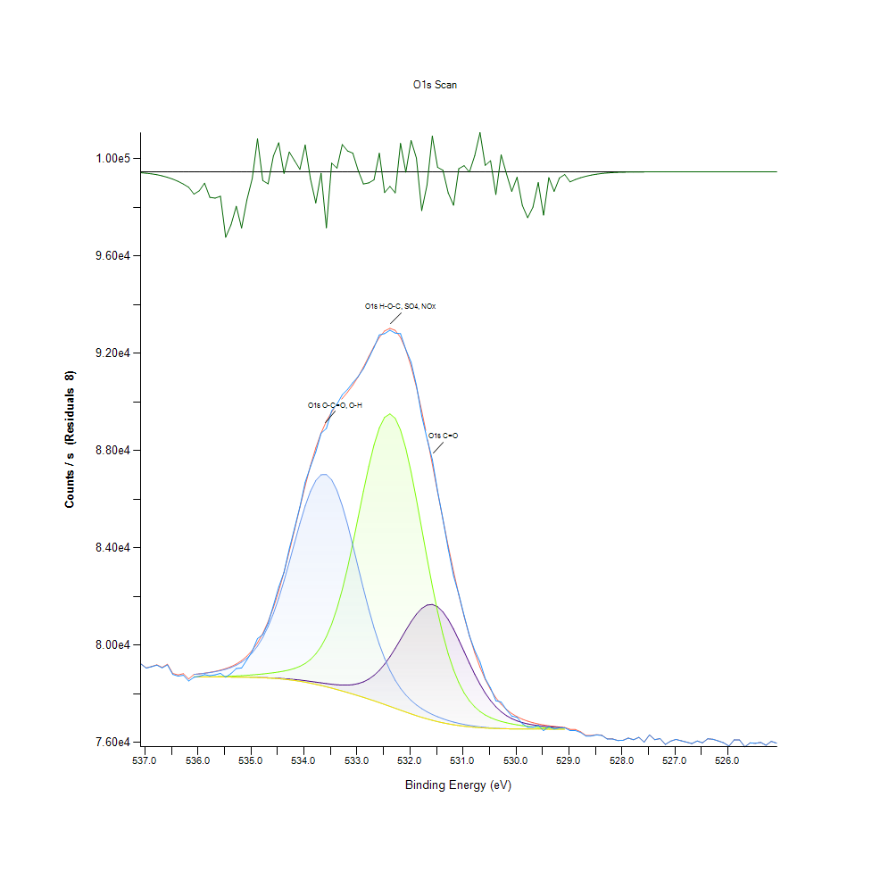
536.48 |  | 78800.9 |  | 0 | 0 | 0 | 0 | 78839.8 | -38.9225
536.38 |  | 78729 |  | 0 | 0 | 0 | 0 | 78780 | -50.9591
536.28 |  | 78765.7 |  | 0 | 0 | 0 | 0 | 78831.2 | -65.4685
536.18 |  | 78529 |  | 0 | 0 | 0 | 0 | 78611.8 | -82.72
536.08 |  | 78681.1 |  | 78697.7 | 78699.8 | 78798.6 | 78697.7 | 78800.7 | -119.67
535.98 |  | 78722.1 |  | 78696.9 | 78700.3 | 78820.4 | 78696.9 | 78823.9 | -101.706
535.88 |  | 78790.5 |  | 78696 | 78701.5 | 78845.8 | 78696 | 78851.3 | -60.8291
535.78 |  | 78747.2 |  | 78695.1 | 78703.4 | 78875.8 | 78695.1 | 78884.2 | -136.991
535.68 |  | 78783 |  | 78694.1 | 78706.4 | 78911.7 | 78694 | 78924.2 | -141.268
535.58 |  | 78843.2 |  | 78693 | 78710.9 | 78956 | 78692.9 | 78974.2 | -131.013
535.48 |  | 78686.4 |  | 78692 | 78717.2 | 79011.9 | 78691.7 | 79037.7 | -351.359
535.38 |  | 78834.3 |  | 78690.8 | 78725.4 | 79083.8 | 78690.3 | 79119.5 | -285.254
535.28 |  | 79041.4 |  | 78689.4 | 78735.9 | 79178.1 | 78688.5 | 79226.4 | -184.985
535.18 |  | 79064.4 |  | 78687.5 | 78748.6 | 79302.7 | 78686.2 | 79366.5 | -302.09
535.08 |  | 79398.5 |  | 78684.9 | 78763.3 | 79467.2 | 78682.7 | 79549.9 | -151.485
534.98 |  | 79751.2 |  | 78681.1 | 78779.9 | 79683 | 78677.8 | 79788.5 | -37.3369
534.88 |  | 80273 |  | 78676.3 | 78798.7 | 79963.3 | 78671.3 | 80095.5 | 177.487
534.78 |  | 80437.2 |  | 78670.2 | 78819.6 | 80320.1 | 78663 | 80483.9 | -46.6661
534.68 |  | 80900.5 |  | 78662.5 | 78842.9 | 80764 | 78652.4 | 80964.7 | -64.2545
534.58 |  | 81630.5 |  | 78653 | 78869.3 | 81301 | 78639 | 81545.3 | 85.247
534.48 |  | 82383.5 |  | 78641.6 | 78900.2 | 81930.7 | 78622.8 | 82227 | 156.481
534.38 |  | 82993.6 |  | 78627.7 | 78937.6 | 82642.5 | 78602.9 | 83002 | -8.36447
534.28 |  | 83960.3 |  | 78610.9 | 78984.8 | 83415.2 | 78578.9 | 83853.2 | 107.129
534.18 |  | 84813.9 |  | 78591.2 | 79047.3 | 84216.4 | 78550.6 | 84753.7 | 60.253
534.08 |  | 85681.9 |  | 78568.4 | 79132.6 | 85003 | 78517.8 | 85668.3 | 13.5452
533.98 |  | 86701.6 |  | 78542.6 | 79250.8 | 85725 | 78480.4 | 86557.5 | 144.115
533.88 |  | 87343.9 |  | 78514.5 | 79415 | 86330.4 | 78438.8 | 87382.3 | -38.3693
533.78 |  | 87943.2 |  | 78484.4 | 79640.9 | 86770.7 | 78393 | 88110 | -166.824
533.68 |  | 88713.3 |  | 78453.8 | 79946.4 | 87007.6 | 78343.7 | 88720.5 | -7.19304
533.58 |  | 88908.7 |  | 78424 | 80349.7 | 87017.8 | 78291.1 | 89209.3 | -300.617
533.48 |  | 89636.6 |  | 78396.9 | 80867.5 | 86796.2 | 78235.7 | 89589.3 | 47.3552
533.38 |  | 89908.8 |  | 78374.9 | 81511.9 | 86357.1 | 78177.6 | 89888.7 | 20.1033
533.28 |  | 90293.5 |  | 78361.6 | 82287.3 | 85732.1 | 78117.4 | 90146.2 | 147.302
533.18 |  | 90514.8 |  | 78361.1 | 83185.9 | 84965.2 | 78055 | 90402.2 | 112.689
533.08 |  | 90792 |  | 78378.8 | 84186.2 | 84107.9 | 77990.9 | 90691.2 | 100.826
532.98 |  | 91042 |  | 78420.9 | 85250.2 | 83212.2 | 77925 | 91033.4 | 8.61727
532.88 |  | 91364.5 |  | 78494.1 | 86324.6 | 82325.1 | 77857.2 | 91429.5 | -64.9166
532.78 |  | 91799.9 |  | 78605.4 | 87343.6 | 81484.8 | 77787.3 | 91859.2 | -59.2812
532.68 |  | 92241.6 |  | 78761 | 88235.6 | 80718 | 77715.2 | 92284.3 | -42.6509
532.58 |  | 92755.1 |  | 78965.6 | 88930.4 | 80040.7 | 77640.8 | 92655 | 100.113
532.48 |  | 92806.6 |  | 79221.1 | 89368.2 | 79458 | 77564.6 | 92918.1 | -111.464
532.38 |  | 92947.6 |  | 79524.7 | 89507.4 | 78967.5 | 77486.9 | 93025.8 | -78.1862
532.28 |  | 92830 |  | 79868.3 | 89330.3 | 78560.9 | 77408.2 | 92942.9 | -112.976
532.18 |  | 92805.1 |  | 80237.8 | 88846.3 | 78227.4 | 77329.9 | 92651.9 | 153.2
532.08 |  | 92151 |  | 80612.7 | 88089.8 | 77954.7 | 77252.3 | 92152.5 | -1.55886
531.98 |  | 91630.7 |  | 80968.2 | 87115.8 | 77731.1 | 77176.7 | 91461.7 | 168.933
531.88 |  | 90682.6 |  | 81277 | 85993.1 | 77546.9 | 77104.2 | 90608.5 | 74.0741
531.78 |  | 89420.3 |  | 81512.3 | 84794.5 | 77393.7 | 77035.8 | 89628.8 | -208.482
531.68 |  | 88489.2 |  | 81650.5 | 83588.8 | 77264.2 | 76971.7 | 88560.2 | -70.9587
531.58 |  | 87633 |  | 81676 | 82435.3 | 77154 | 76912.7 | 87439.9 | 193.059
531.48 |  | 86325.5 |  | 81581.8 | 81378.1 | 77059.1 | 76859 | 86300.9 | 24.5461
531.38 |  | 85180.9 |  | 81371.4 | 80445.1 | 76976.7 | 76810.7 | 85171.9 | 8.98705
531.28 |  | 83964.4 |  | 81058.3 | 79649.4 | 76905.2 | 76767.8 | 84077.3 | -112.96
531.18 |  | 82858.2 |  | 80664.1 | 78991 | 76843.2 | 76730.4 | 83037.5 | -179.377
531.08 |  | 82086.3 |  | 80215 | 78460.2 | 76789.7 | 76698 | 82068.9 | 17.3863
530.98 |  | 81217.6 |  | 79739.4 | 78041.6 | 76743.9 | 76670.4 | 81184.1 | 33.4605
530.88 |  | 80390.9 |  | 79263.7 | 77717.2 | 76704.9 | 76646.9 | 80391.9 | -1.00739
530.78 |  | 79783.4 |  | 78810.3 | 77468.4 | 76671.8 | 76626.9 | 79696.6 | 86.7828
530.68 |  | 79310.6 |  | 78396.6 | 77278.9 | 76644.4 | 76610.4 | 79099.2 | 211.437
530.58 |  | 78630.8 |  | 78033.1 | 77134.4 | 76622 | 76596.8 | 78596 | 34.873
530.48 |  | 78240.4 |  | 77724.5 | 77023.4 | 76604.2 | 76585.9 | 78180.3 | 60.0779
530.38 |  | 77721.1 |  | 77470.2 | 76936.7 | 76590 | 76577 | 77842.8 | -121.702
530.28 |  | 77664.8 |  | 77266.3 | 76867.9 | 76579.1 | 76570.2 | 77573 | 91.8414
530.18 |  | 77349.6 |  | 77106.6 | 76812 | 76570.8 | 76564.8 | 77359.7 | -10.0547
530.08 |  | 77087.2 |  | 76983.6 | 76765.5 | 76564.6 | 76560.7 | 77192.3 | -105.114
529.98 |  | 77032.8 |  | 76890 | 76726.4 | 76560 | 76557.6 | 77061.3 | -28.5452
529.88 |  | 76778.8 |  | 76819.6 | 76693.3 | 76556.9 | 76555.4 | 76959 | -180.177
529.78 |  | 76632.1 |  | 76766.5 | 76665.2 | 76554.9 | 76554 | 76878.6 | -246.463
529.68 |  | 76625.5 |  | 76725.9 | 76641.3 | 76553.5 | 76553 | 76814.8 | -189.256
529.58 |  | 76706.5 |  | 76694.7 | 76621.4 | 76552.8 | 76552.5 | 76763.9 | -57.3923
529.48 |  | 76490.4 |  | 76669.8 | 76604.8 | 76552.3 | 76552.1 | 76722.7 | -232.339
529.38 |  | 76658 |  | 76649.5 | 76591.3 | 76551.9 | 76551.8 | 76689.1 | -31.0692
529.28 |  | 76556.6 |  | 76632.6 | 76580.5 | 76551.6 | 76551.6 | 76661.5 | -104.867
529.18 |  | 76606.2 |  | 76618.2 | 76572.1 | 76551.5 | 76551.4 | 76638.8 | -32.6773
529.08 |  | 76605.9 |  | 76605.7 | 76565.5 | 76551.2 | 76551.2 | 76620 | -14.163
528.98 |  | 76491 |  | 0 | 0 | 0 | 0 | 76544.7 | -53.6908
528.88 |  | 76496.1 |  | 0 | 0 | 0 | 0 | 76537.5 | -41.3294
528.78 |  | 76413.7 |  | 0 | 0 | 0 | 0 | 76445.1 | -31.3533
528.68 |  | 76265.5 |  | 0 | 0 | 0 | 0 | 76288.9 | -23.3984
528.58 |  | 76269.8 |  | 0 | 0 | 0 | 0 | 76286.9 | -17.1477
528.48 |  | 76312.8 |  | 0 | 0 | 0 | 0 | 76325.1 | -12.3205
528.38 |  | 76292.9 |  | 0 | 0 | 0 | 0 | 76301.5 | -8.66534
528.28 |  | 76145.2 |  | 0 | 0 | 0 | 0 | 76151.1 | -5.95752
528.18 |  | 76148.4 |  | 0 | 0 | 0 | 0 | 76152.4 | -3.9987
528.08 |  | 76083.8 |  | 0 | 0 | 0 | 0 | 76086.4 | -2.61731
527.98 |  | 76090.4 |  | 0 | 0 | 0 | 0 | 76092.1 | -1.66895
527.88 |  | 76182.4 |  | 0 | 0 | 0 | 0 | 76183.4 | -1.03587
527.78 |  | 76114.8 |  | 0 | 0 | 0 | 0 | 76115.4 | -0.625338
527.68 |  | 76213.1 |  | 0 | 0 | 0 | 0 | 76213.5 | -0.366934
527.58 |  | 76016 |  | 0 | 0 | 0 | 0 | 76016.2 | -0.209161
527.48 |  | 76314.5 |  | 0 | 0 | 0 | 0 | 76314.6 | -0.115766
527.38 |  | 76117.3 |  | 0 | 0 | 0 | 0 | 76117.4 | -0.0621883
527.28 |  | 76163.9 |  | 0 | 0 | 0 | 0 | 76163.9 | -0.0324122
527.18 |  | 75922.5 |  | 0 | 0 | 0 | 0 | 75922.5 | -0.0163849
527.08 |  | 76058 |  | 0 | 0 | 0 | 0 | 76058 | -0.00803148
526.98 |  | 76128 |  | 0 | 0 | 0 | 0 | 76128 | -0.00381649
526.88 |  | 76071.1 |  | 0 | 0 | 0 | 0 | 76071.1 | -0.00175776
526.78 |  | 76015.9 |  | 0 | 0 | 0 | 0 | 76015.9 | -0.000784523
526.68 |  | 75956.1 |  | 0 | 0 | 0 | 0 | 75956.1 | -0.000339259
526.58 |  | 76062.9 |  | 0 | 0 | 0 | 0 | 76062.9 | -0.000142127
526.48 |  | 75989.5 |  | 0 | 0 | 0 | 0 | 75989.5 | -5.77E-05
526.38 |  | 76155.1 |  | 0 | 0 | 0 | 0 | 76155.1 | -2.27E-05
526.28 |  | 76134.7 |  | 0 | 0 | 0 | 0 | 76134.7 | -8.63E-06
526.18 |  | 76063.9 |  | 0 | 0 | 0 | 0 | 76063.9 | -3.18E-06
526.08 |  | 75988.5 |  | 0 | 0 | 0 | 0 | 75988.5 | -1.14E-06
525.98 |  | 75854.3 |  | 0 | 0 | 0 | 0 | 75854.3 | -3.92E-07
525.88 |  | 76112.7 |  | 0 | 0 | 0 | 0 | 76112.7 | -1.31E-07
525.78 |  | 76104.5 |  | 0 | 0 | 0 | 0 | 76104.5 | -4.25E-08
525.68 |  | 75822 |  | 0 | 0 | 0 | 0 | 75822 | -1.33E-08
525.58 |  | 75987.2 |  | 0 | 0 | 0 | 0 | 75987.2 | -4.04E-09
525.48 |  | 75967.9 |  | 0 | 0 | 0 | 0 | 75967.9 | -1.19E-09
525.38 |  | 76005 |  | 0 | 0 | 0 | 0 | 76005 | -3.41E-10
525.28 |  | 75888 |  | 0 | 0 | 0 | 0 | 75888 | -1.05E-10
525.18 |  | 76049.7 |  | 0 | 0 | 0 | 0 | 76049.7 | -2.67E-11
525.08 |  | 75974 |  | 0 | 0 | 0 | 0 | 75974 | -1.33E-11

N1s Scan
 |  |  |  |  |  | Acquisition Parameters :

 |  |  |  |  |  | Parameter
 |  |  |  |  |  | Total acquisition time | 1 mins 36.8 secs
 |  |  |  |  |  | Number of Scans | 16
﻿ |  |  |  |  |  | Source Gun Type | Al K Alpha
Axis | Energy | Elements= | 121 |  |  | Spot Size | 400 µm
 |  |  |  |  |  | Lens Mode | Standard
C:\Users\gwilh\OneDrive - Imperial College London\Documents\MEGAsync\Experiment\24c22_Lin_ShiYang\C P-OH-NR2 wiB.DATA\N1s Scan_0.VGD |  |  |  |  |  | Analyser Mode | CAE : Pass Energy 35.0 eV
 |  |  |  |  |  | Energy Step Size | 0.100 eV
 |  |  |  |  |  | Number of Energy Steps | 121

Binding Energy (E) |  |  |  | N1s NC-R2 | N1s NH-R2(+) | Backgnd. | Envelope | Residuals
eV |  | Counts / s |  | Counts / s | Counts / s | Counts / s | Counts / s | Counts / s (Residuals 4)
406.08 |  | 95737.2 |  | 0 | 0 | 0 | 95737.4 | -0.165908
405.98 |  | 95798.9 |  | 0 | 0 | 0 | 95799.2 | -0.274296
405.88 |  | 95792.9 |  | 0 | 0 | 0 | 95793.4 | -0.440723
405.78 |  | 95843.7 |  | 0 | 0 | 0 | 95844.4 | -0.688514
405.68 |  | 95871 |  | 0 | 0 | 0 | 95872 | -1.0464
405.58 |  | 95890.6 |  | 0 | 0 | 0 | 95892.2 | -1.54807
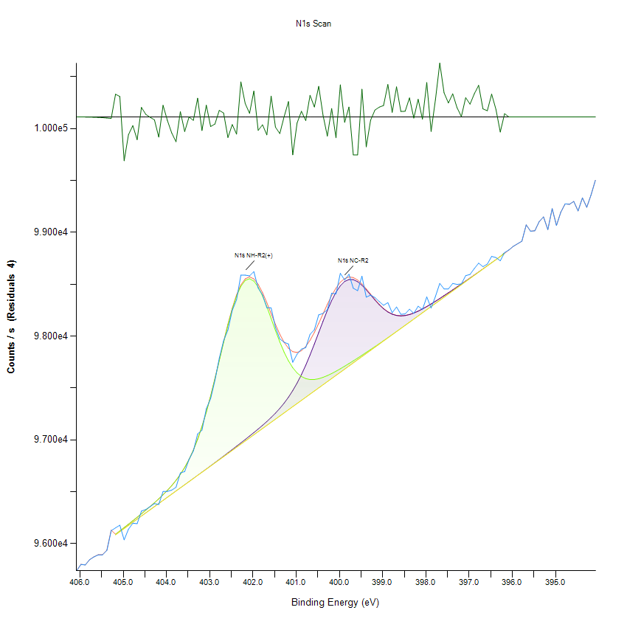
405.48 |  | 95890.8 |  | 0 | 0 | 0 | 95893 | -2.23103
405.38 |  | 95933.2 |  | 0 | 0 | 0 | 95936.3 | -3.13475
405.28 |  | 96123.7 |  | 0 | 0 | 0 | 96128 | -4.29836
405.18 |  | 96150.7 |  | 96083.9 | 96089.6 | 96083.9 | 96089.6 | 61.0426
405.08 |  | 96176.4 |  | 96114 | 96121.6 | 96114 | 96121.6 | 54.865
404.98 |  | 96035.4 |  | 96144.1 | 96153.8 | 96144.1 | 96153.8 | -118.428
404.88 |  | 96138.5 |  | 96174.3 | 96186.5 | 96174.3 | 96186.5 | -47.9367
404.78 |  | 96195.8 |  | 96204.4 | 96219.5 | 96204.4 | 96219.5 | -23.7347
404.68 |  | 96191.4 |  | 96234.5 | 96253 | 96234.5 | 96253 | -61.6011
404.58 |  | 96312.4 |  | 96264.7 | 96287 | 96264.7 | 96287 | 25.431
404.48 |  | 96328.3 |  | 96294.8 | 96321.6 | 96294.8 | 96321.6 | 6.76905
404.38 |  | 96355.7 |  | 96324.9 | 96356.9 | 96324.9 | 96356.9 | -1.11965
404.28 |  | 96385 |  | 96355.1 | 96393.1 | 96355.1 | 96393.1 | -8.12855
404.18 |  | 96376.2 |  | 96385.2 | 96430.7 | 96385.2 | 96430.8 | -54.5569
404.08 |  | 96501.5 |  | 96415.3 | 96470.2 | 96415.3 | 96470.3 | 31.2229
403.98 |  | 96502.5 |  | 96445.5 | 96512.4 | 96445.5 | 96512.4 | -9.90109
403.88 |  | 96514.6 |  | 96475.6 | 96558.2 | 96475.6 | 96558.3 | -43.6233
403.78 |  | 96542.1 |  | 96505.8 | 96609 | 96505.7 | 96609.1 | -67.0659
403.68 |  | 96680.7 |  | 96536 | 96666.6 | 96535.8 | 96666.7 | 13.9828
403.58 |  | 96693.5 |  | 96566.2 | 96732.8 | 96566 | 96733 | -39.5555
403.48 |  | 96809.7 |  | 96596.5 | 96809.9 | 96596.1 | 96810.3 | -0.528759
403.38 |  | 96891.3 |  | 96626.8 | 96900.1 | 96626.2 | 96900.7 | -9.39403
403.28 |  | 97056.7 |  | 96657.3 | 97005.5 | 96656.4 | 97006.4 | 50.3509
403.18 |  | 97091.8 |  | 96687.8 | 97127.4 | 96686.5 | 97128.6 | -36.8652
403.08 |  | 97299.3 |  | 96718.4 | 97266.1 | 96716.6 | 97267.9 | 31.4194
402.98 |  | 97396.8 |  | 96749.2 | 97420.6 | 96746.8 | 97423 | -26.2277
402.88 |  | 97571.7 |  | 96780.2 | 97587.8 | 96776.9 | 97591.1 | -19.3205
402.78 |  | 97784.6 |  | 96811.3 | 97762.8 | 96807 | 97767 | 17.545
402.68 |  | 97954.5 |  | 96842.6 | 97938.6 | 96837.2 | 97944.1 | 10.4528
402.58 |  | 98058.2 |  | 96874.2 | 98107.1 | 96867.3 | 98114 | -55.7493
402.48 |  | 98246.7 |  | 96905.9 | 98259.1 | 96897.4 | 98267.6 | -20.847
402.38 |  | 98349.6 |  | 96937.9 | 98385.8 | 96927.5 | 98396.2 | -46.5747
402.28 |  | 98586.7 |  | 96970.2 | 98479.9 | 96957.7 | 98492.4 | 94.2846
402.18 |  | 98586.8 |  | 97002.8 | 98536.1 | 96987.8 | 98551.1 | 35.7583
402.08 |  | 98579.7 |  | 97035.8 | 98552.3 | 97017.9 | 98570.1 | 9.57287
401.98 |  | 98620.4 |  | 97069.4 | 98529.6 | 97048.1 | 98550.9 | 69.4927
401.88 |  | 98461.4 |  | 97103.7 | 98472.3 | 97078.2 | 98497.9 | -36.4626
401.78 |  | 98396.8 |  | 97139.1 | 98387.4 | 97108.3 | 98418.2 | -21.4248
401.68 |  | 98272.1 |  | 97176.1 | 98283.3 | 97138.5 | 98320.9 | -48.7546
401.58 |  | 98271.4 |  | 97215.1 | 98169 | 97168.6 | 98215.5 | 55.8977
401.48 |  | 98083.5 |  | 97257 | 98053.2 | 97198.7 | 98111.4 | -27.9132
401.38 |  | 97972 |  | 97302.7 | 97943.3 | 97228.9 | 98017.1 | -45.1068
401.28 |  | 97939.6 |  | 97353.3 | 97844.8 | 97259 | 97939 | 0.521483
401.18 |  | 97923.3 |  | 97410 | 97761.3 | 97289.1 | 97882.1 | 41.1726
401.08 |  | 97746.8 |  | 97474 | 97694.5 | 97319.2 | 97849.3 | -102.457
400.98 |  | 97825 |  | 97546.4 | 97644.5 | 97349.4 | 97841.5 | -16.5806
400.88 |  | 97873.5 |  | 97628 | 97610.1 | 97379.5 | 97858.5 | 14.9713
400.78 |  | 97888.3 |  | 97718.6 | 97589.5 | 97409.6 | 97898.5 | -10.1724
400.68 |  | 98016.4 |  | 97817.7 | 97580.5 | 97439.8 | 97958.4 | 57.9792
400.58 |  | 98060.8 |  | 97923.4 | 97580.8 | 97469.9 | 98034.3 | 26.5098
400.48 |  | 98203.5 |  | 98032.9 | 97588.3 | 97500 | 98121.2 | 82.2779
400.38 |  | 98217.8 |  | 98142.2 | 97601.4 | 97530.2 | 98213.5 | 4.3197
400.28 |  | 98253.2 |  | 98246.8 | 97618.6 | 97560.3 | 98305.1 | -51.8694
400.18 |  | 98412.4 |  | 98341.8 | 97638.6 | 97590.4 | 98389.9 | 22.46
400.08 |  | 98406 |  | 98422.3 | 97660.7 | 97620.6 | 98462.5 | -56.4175
399.98 |  | 98604.4 |  | 98484.5 | 97684.4 | 97650.7 | 98518.1 | 86.2945
399.88 |  | 98539.2 |  | 98525.7 | 97709.1 | 97680.8 | 98554 | -14.7894
399.78 |  | 98595.2 |  | 98545.1 | 97734.6 | 97711 | 98568.7 | 26.4695
399.68 |  | 98460.5 |  | 98543.5 | 97760.7 | 97741.1 | 98563.1 | -102.603
399.58 |  | 98437.1 |  | 98523.6 | 97787.3 | 97771.2 | 98539.7 | -102.62
399.48 |  | 98576.7 |  | 98489.1 | 97814.4 | 97801.3 | 98502.2 | 74.4676
399.38 |  | 98374.5 |  | 98444.9 | 97841.9 | 97831.5 | 98455.3 | -80.8701
399.28 |  | 98394.7 |  | 98395.9 | 97869.8 | 97861.6 | 98404 | -9.29102
399.18 |  | 98371.2 |  | 98346.6 | 97898 | 97891.7 | 98352.9 | 18.2667
399.08 |  | 98332 |  | 98301.1 | 97926.6 | 97921.9 | 98305.8 | 26.1923
398.98 |  | 98296.2 |  | 98262.1 | 97955.5 | 97952 | 98265.6 | 30.5628
398.88 |  | 98321.3 |  | 98231.6 | 97984.6 | 97982.1 | 98234 | 87.2844
398.78 |  | 98224 |  | 98210.1 | 98014 | 98012.3 | 98211.9 | 12.1476
398.68 |  | 98280 |  | 98197.8 | 98043.6 | 98042.4 | 98199 | 80.9466
398.58 |  | 98209.2 |  | 98193.9 | 98073.3 | 98072.5 | 98194.7 | 14.4799
398.48 |  | 98213 |  | 98197.3 | 98103.2 | 98102.7 | 98197.8 | 15.1457
398.38 |  | 98258.3 |  | 98206.9 | 98133.1 | 98132.8 | 98207.2 | 51.0744
398.28 |  | 98218.4 |  | 98221.4 | 98163.1 | 98162.9 | 98221.6 | -3.24967
398.18 |  | 98287.2 |  | 98239.7 | 98193.2 | 98193 | 98239.8 | 47.3205
398.08 |  | 98254.8 |  | 98260.9 | 98223.2 | 98223.2 | 98261 | -6.20491
397.98 |  | 98376.8 |  | 98284.2 | 98253.3 | 98253.3 | 98284.2 | 92.5084
397.88 |  | 98269.6 |  | 98309 | 98283.5 | 98283.4 | 98309.1 | -39.4175
397.78 |  | 98381.3 |  | 98334.9 | 98313.6 | 98313.6 | 98334.9 | 46.3585
397.68 |  | 98506.6 |  | 98361.6 | 98343.7 | 98343.7 | 98361.6 | 145.005
397.58 |  | 98453.7 |  | 98388.9 | 98373.8 | 98373.8 | 98388.9 | 64.851
397.48 |  | 98454 |  | 98416.5 | 98404 | 98404 | 98416.5 | 37.4973
397.38 |  | 98506.7 |  | 98444.5 | 98434.1 | 98434.1 | 98444.5 | 62.1933
397.28 |  | 98497.2 |  | 98472.8 | 98464.2 | 98464.2 | 98472.8 | 24.4585
397.18 |  | 98502.2 |  | 98501.3 | 98494.4 | 98494.4 | 98501.3 | 0.980101
397.08 |  | 98581.6 |  | 98530 | 98524.5 | 98524.5 | 98530 | 51.6683
396.98 |  | 98593.2 |  | 98558.9 | 98554.6 | 98554.6 | 98558.9 | 34.2888
396.88 |  | 98650.5 |  | 98588 | 98584.7 | 98584.7 | 98588 | 62.432
396.78 |  | 98702.4 |  | 98617.3 | 98614.9 | 98614.9 | 98617.3 | 85.0571
396.68 |  | 98668.3 |  | 98646.8 | 98645 | 98645 | 98646.8 | 21.4757
396.58 |  | 98692.9 |  | 98676.4 | 98675.1 | 98675.1 | 98676.4 | 16.4568
396.48 |  | 98767.4 |  | 98706.2 | 98705.3 | 98705.3 | 98706.2 | 61.2606
396.38 |  | 98755.9 |  | 98736 | 98735.4 | 98735.4 | 98736 | 19.8534
396.28 |  | 98724.9 |  | 98765.9 | 98765.5 | 98765.5 | 98765.9 | -41.0311
396.18 |  | 98804.5 |  | 98795.9 | 98795.7 | 98795.7 | 98795.9 | 8.55352
396.08 |  | 98829.3 |  | 0 | 0 | 0 | 98829.4 | -0.161824
395.98 |  | 98863.8 |  | 0 | 0 | 0 | 98863.9 | -0.0983342
395.88 |  | 98888.6 |  | 0 | 0 | 0 | 98888.7 | -0.0580506
395.78 |  | 98913.6 |  | 0 | 0 | 0 | 98913.6 | -0.0332805
395.68 |  | 99070.9 |  | 0 | 0 | 0 | 99070.9 | -0.0185231
395.58 |  | 99010.2 |  | 0 | 0 | 0 | 99010.2 | -0.0100057
395.48 |  | 99014.6 |  | 0 | 0 | 0 | 99014.6 | -0.00524429
395.38 |  | 99102.3 |  | 0 | 0 | 0 | 99102.3 | -0.00266642
395.28 |  | 99147.8 |  | 0 | 0 | 0 | 99147.8 | -0.00131489
395.18 |  | 99025.8 |  | 0 | 0 | 0 | 99025.8 | -0.000628761
395.08 |  | 99227.5 |  | 0 | 0 | 0 | 99227.5 | -0.000291509
394.98 |  | 99065.9 |  | 0 | 0 | 0 | 99065.9 | -0.000131016
394.88 |  | 99193 |  | 0 | 0 | 0 | 99193 | -5.71E-05
394.78 |  | 99273.6 |  | 0 | 0 | 0 | 99273.6 | -2.41E-05
394.68 |  | 99269.5 |  | 0 | 0 | 0 | 99269.5 | -9.86E-06
394.58 |  | 99297.4 |  | 0 | 0 | 0 | 99297.4 | -3.91E-06
394.48 |  | 99205.9 |  | 0 | 0 | 0 | 99205.9 | -1.50E-06
394.38 |  | 99331.6 |  | 0 | 0 | 0 | 99331.6 | -5.59E-07
394.28 |  | 99240.9 |  | 0 | 0 | 0 | 99240.9 | -2.01E-07
394.18 |  | 99359.6 |  | 0 | 0 | 0 | 99359.6 | -7.03E-08
394.08 |  | 99501.1 |  | 0 | 0 | 0 | 99501.1 | -2.38E-08

C1s Scan
 |  |  |  |  |  |  | Acquisition Parameters :

 |  |  |  |  |  |  | Parameter
 |  |  |  |  |  |  | Total acquisition time | 1 mins 53.3 secs
 |  |  |  |  |  |  | Number of Scans | 15
﻿ |  |  |  |  |  |  | Source Gun Type | Al K Alpha
Axis | Energy | Elements= | 151 |  |  |  | Spot Size | 400 µm
 |  |  |  |  |  |  | Lens Mode | Standard
C:\Users\gwilh\OneDrive - Imperial College London\Documents\MEGAsync\Experiment\24c22_Lin_ShiYang\C P-OH-NR2 wiB.DATA\C1s Scan_0.VGD |  |  |  |  |  |  | Analyser Mode | CAE : Pass Energy 35.0 eV
 |  |  |  |  |  |  | Energy Step Size | 0.100 eV
 |  |  |  |  |  |  | Number of Energy Steps | 151

Binding Energy (E) |  |  |  | C1s C-C | C1s C-O-C | C1s C=O | C1s O=C-O | Backgnd. | Envelope | Residuals
eV |  | Counts / s |  | Counts / s | Counts / s | Counts / s | Counts / s | Counts / s | Counts / s | Counts / s (Residuals 10)
294.08 |  | 45806.4 |  | 0 | 0 | 0 | 0 | 0 | 45806.4 | -1.50E-08
293.98 |  | 45789 |  | 0 | 0 | 0 | 0 | 0 | 45789 | -5.29E-08
293.88 |  | 45837.7 |  | 0 | 0 | 0 | 0 | 0 | 45837.7 | -1.79E-07
293.78 |  | 45906.4 |  | 0 | 0 | 0 | 0 | 0 | 45906.4 | -5.84E-07
293.68 |  | 45825.2 |  | 0 | 0 | 0 | 0 | 0 | 45825.2 | -1.83E-06
293.58 |  | 45878 |  | 0 | 0 | 0 | 0 | 0 | 45878 | -5.54E-06
293.48 |  | 45909.4 |  | 0 | 0 | 0 | 0 | 0 | 45909.4 | -1.61E-05
293.38 |  | 45850.3 |  | 0 | 0 | 0 | 0 | 0 | 45850.3 | -4.50E-05
293.28 |  | 45864.6 |  | 0 | 0 | 0 | 0 | 0 | 45864.6 | -0.000121403
293.18 |  | 45860.2 |  | 0 | 0 | 0 | 0 | 0 | 45860.2 | -0.000315102
293.08 |  | 45856.6 |  | 0 | 0 | 0 | 0 | 0 | 45856.6 | -0.000787743
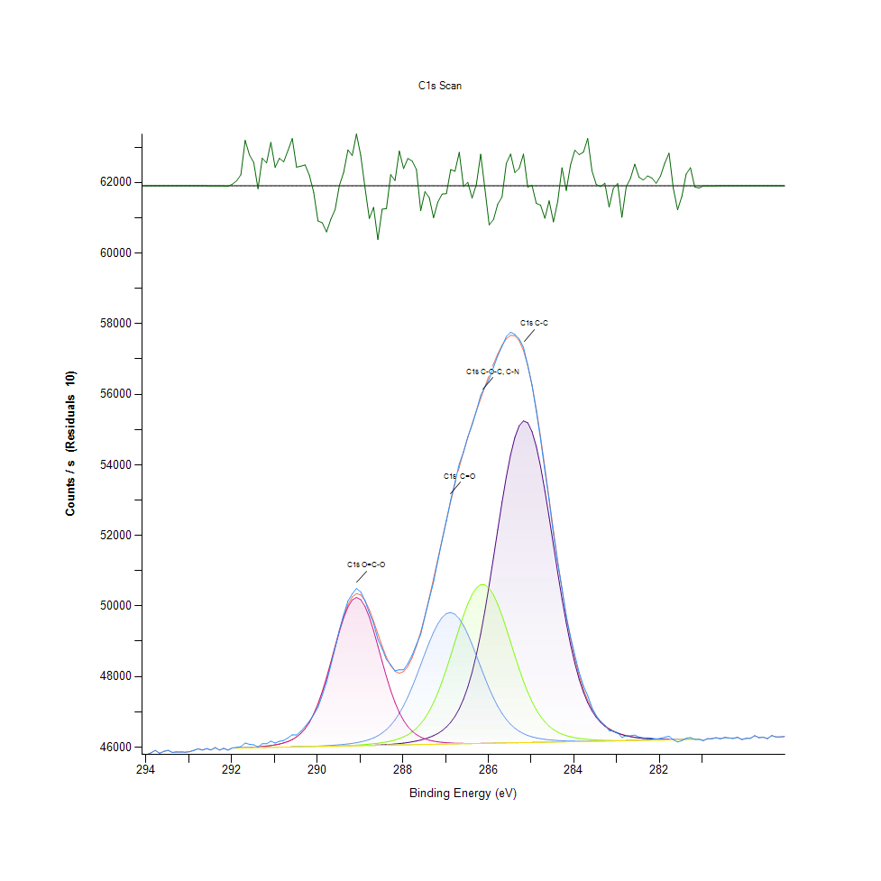
292.98 |  | 45870.2 |  | 0 | 0 | 0 | 0 | 0 | 45870.2 | -0.00189715
292.88 |  | 45906.4 |  | 0 | 0 | 0 | 0 | 0 | 45906.4 | -0.00440234
292.78 |  | 45952.4 |  | 0 | 0 | 0 | 0 | 0 | 45952.4 | -0.00984527
292.68 |  | 45917.9 |  | 0 | 0 | 0 | 0 | 0 | 45917.9 | -0.0212245
292.58 |  | 45957.8 |  | 0 | 0 | 0 | 0 | 0 | 45957.9 | -0.0441202
292.48 |  | 45919.4 |  | 0 | 0 | 0 | 0 | 0 | 45919.5 | -0.0884638
292.38 |  | 45986.4 |  | 0 | 0 | 0 | 0 | 0 | 45986.5 | -0.171152
292.28 |  | 45916.5 |  | 0 | 0 | 0 | 0 | 0 | 45916.8 | -0.31965
292.18 |  | 45964.1 |  | 0 | 0 | 0 | 0 | 0 | 45964.7 | -0.576579
292.08 |  | 45916.3 |  | 0 | 0 | 0 | 0 | 0 | 45917.3 | -1.00506
291.98 |  | 45979.4 |  | 45973.1 | 45973.1 | 45973.1 | 45974.8 | 45973.1 | 45974.8 | 4.62343
291.88 |  | 45992.4 |  | 45975.4 | 45975.4 | 45975.4 | 45978.2 | 45975.4 | 45978.2 | 14.2094
291.78 |  | 46013.4 |  | 45977.7 | 45977.7 | 45977.7 | 45982 | 45977.7 | 45982 | 31.3488
291.68 |  | 46115.8 |  | 45980 | 45980 | 45980 | 45986.6 | 45980 | 45986.6 | 129.138
291.58 |  | 46080.1 |  | 45982.2 | 45982.2 | 45982.2 | 45992.2 | 45982.2 | 45992.2 | 87.8481
291.48 |  | 46065.3 |  | 45984.5 | 45984.5 | 45984.5 | 45999 | 45984.5 | 45999 | 66.2867
291.38 |  | 45999.2 |  | 45986.8 | 45986.8 | 45986.8 | 46007.2 | 45986.8 | 46007.2 | -8.07787
291.28 |  | 46095.9 |  | 45989.1 | 45989.1 | 45989.1 | 46017.3 | 45989.1 | 46017.3 | 78.5253
291.18 |  | 46094.9 |  | 45991.3 | 45991.3 | 45991.4 | 46029.7 | 45991.3 | 46029.7 | 65.1178
291.08 |  | 46168.2 |  | 45993.6 | 45993.6 | 45993.7 | 46044.9 | 45993.6 | 46045 | 123.181
290.98 |  | 46116.6 |  | 45995.9 | 45995.9 | 45996.1 | 46063.9 | 45995.9 | 46064.1 | 52.5113
290.88 |  | 46166.3 |  | 45998.2 | 45998.2 | 45998.5 | 46087.9 | 45998.2 | 46088.2 | 78.108
290.78 |  | 46187.6 |  | 46000.4 | 46000.4 | 46000.9 | 46118.8 | 46000.4 | 46119.3 | 68.2839
290.68 |  | 46260.8 |  | 46002.7 | 46002.7 | 46003.5 | 46159.6 | 46002.7 | 46160.4 | 100.393
290.58 |  | 46349.8 |  | 46005 | 46005 | 46006.1 | 46214.4 | 46005 | 46215.6 | 134.215
290.48 |  | 46343.6 |  | 46007.3 | 46007.3 | 46009 | 46288.7 | 46007.3 | 46290.5 | 53.0845
290.38 |  | 46447.8 |  | 46009.5 | 46009.6 | 46012.1 | 46389.4 | 46009.5 | 46392 | 55.8289
290.28 |  | 46587.9 |  | 46011.8 | 46012 | 46015.5 | 46524.6 | 46011.8 | 46528.4 | 59.5056
290.18 |  | 46738.2 |  | 46014.1 | 46014.4 | 46019.3 | 46703 | 46014.1 | 46708.5 | 29.7276
290.08 |  | 46921.8 |  | 46016.4 | 46016.8 | 46023.6 | 46932.4 | 46016.4 | 46940 | -18.2372
289.98 |  | 47129.3 |  | 46018.7 | 46019.3 | 46028.5 | 47218.1 | 46018.6 | 47228.6 | -99.3226
289.88 |  | 47470.7 |  | 46020.9 | 46022 | 46034.1 | 47561.1 | 46020.9 | 47575.4 | -104.61
289.78 |  | 47844.1 |  | 46023.2 | 46024.8 | 46040.5 | 47955.8 | 46023.2 | 47974.7 | -130.596
289.68 |  | 48318.7 |  | 46025.5 | 46027.9 | 46047.9 | 48388.5 | 46025.5 | 48413.4 | -94.7374
289.58 |  | 48802.3 |  | 46027.8 | 46031.3 | 46056.4 | 48837.3 | 46027.8 | 48869.7 | -67.4013
289.48 |  | 49316 |  | 46030.1 | 46035.2 | 46066.3 | 49273.2 | 46030 | 49314.7 | 1.24998
289.38 |  | 49753.7 |  | 46032.5 | 46039.5 | 46077.7 | 49662.6 | 46032.3 | 49715.4 | 38.2844
289.28 |  | 50140.6 |  | 46034.9 | 46044.5 | 46091.1 | 49971.8 | 46034.6 | 50038.6 | 101.965
289.18 |  | 50342 |  | 46037.5 | 46050.3 | 46107 | 50171.8 | 46036.9 | 50256.1 | 85.9124
289.08 |  | 50496.2 |  | 46040.1 | 46057 | 46126.2 | 50243.1 | 46039.1 | 50349 | 147.2
288.98 |  | 50397.8 |  | 46043 | 46064.7 | 46149.7 | 50178.6 | 46041.4 | 50311.7 | 86.0396
288.88 |  | 50147.1 |  | 46046.1 | 46073.7 | 46178.9 | 49985.1 | 46043.7 | 50152.7 | -5.61642
288.78 |  | 49801.2 |  | 46049.6 | 46084.2 | 46215.7 | 49682 | 46046 | 49893.7 | -92.5224
288.68 |  | 49505.4 |  | 46053.7 | 46096.3 | 46262.7 | 49298.3 | 46048.2 | 49566.4 | -60.916
288.58 |  | 49055.8 |  | 46058.4 | 46110.6 | 46323 | 48867.5 | 46050.5 | 49207.9 | -152.166
288.48 |  | 48790.1 |  | 46064.1 | 46127.5 | 46399.9 | 48423.1 | 46052.8 | 48856.3 | -66.1761
288.38 |  | 48481.3 |  | 46070.9 | 46147.8 | 46497.7 | 47994.5 | 46055.1 | 48545.6 | -64.3579
288.28 |  | 48335.3 |  | 46079 | 46172.4 | 46620.4 | 47603.6 | 46057.3 | 48303.4 | 31.9453
288.18 |  | 48164 |  | 46088.7 | 46202.9 | 46771.9 | 47264.2 | 46059.6 | 48149 | 15.0148
288.08 |  | 48192.4 |  | 46100.4 | 46241.2 | 46955.6 | 46982.1 | 46061.9 | 48093.6 | 98.8398
287.98 |  | 48190.3 |  | 46114.4 | 46289.9 | 47173 | 46756.4 | 46064.2 | 48141.2 | 49.0627
287.88 |  | 48367.6 |  | 46130.9 | 46352.3 | 47424.1 | 46581.8 | 46066.4 | 48289.8 | 77.7346
287.78 |  | 48603.6 |  | 46150.6 | 46432.4 | 47705.9 | 46450.4 | 46068.7 | 48533.2 | 70.4621
287.68 |  | 48907.8 |  | 46173.8 | 46534.7 | 48012.3 | 46353.8 | 46071 | 48861.7 | 46.1241
287.58 |  | 49193.7 |  | 46201.6 | 46664.2 | 48334.1 | 46283.7 | 46073.3 | 49263.7 | -70.0476
287.48 |  | 49709.6 |  | 46234.9 | 46825.8 | 48658.7 | 46233.2 | 46075.6 | 49726 | -16.4306
287.38 |  | 50200.7 |  | 46275.5 | 47024.1 | 48971.2 | 46196.7 | 46077.8 | 50234.1 | -33.3552
287.28 |  | 50682.8 |  | 46325.6 | 47262.3 | 49255.4 | 46170.2 | 46080.1 | 50773.2 | -90.413
287.18 |  | 51282.6 |  | 46388.4 | 47541.6 | 49494.9 | 46150.7 | 46082.4 | 51328.5 | -45.9069
287.08 |  | 51863 |  | 46468.2 | 47860.7 | 49675 | 46136.2 | 46084.7 | 51886.1 | -23.1117
286.98 |  | 52411.6 |  | 46570.5 | 48214.3 | 49784.1 | 46125.5 | 46086.9 | 52433.6 | -22.0203
286.88 |  | 53007.3 |  | 46702.4 | 48593.6 | 49815 | 46117.6 | 46089.2 | 52961.1 | 46.2341
286.78 |  | 53502.8 |  | 46872.2 | 48985.8 | 49765.8 | 46112 | 46091.5 | 53461.4 | 41.4039
286.68 |  | 54025.7 |  | 47089.2 | 49374.3 | 49640 | 46108.3 | 46093.8 | 53930.6 | 95.0908
286.58 |  | 54366.2 |  | 47363.8 | 49740.3 | 49446.1 | 46106.1 | 46096 | 54368.2 | -2.0557
286.48 |  | 54786.5 |  | 47705.9 | 50063.8 | 49196.8 | 46105.1 | 46098.3 | 54776.6 | 9.95051
286.38 |  | 55125.7 |  | 48123.9 | 50325.7 | 48907.4 | 46105 | 46100.6 | 55160.2 | -34.447
286.28 |  | 55529.2 |  | 48623.8 | 50509.4 | 48594.3 | 46105.6 | 46102.9 | 55524.5 | 4.66339
286.18 |  | 55964.7 |  | 49206.8 | 50603 | 48273.6 | 46106.8 | 46105.1 | 55874.9 | 89.8528
286.08 |  | 56204.9 |  | 49868.2 | 50600.3 | 47959.7 | 46108.4 | 46107.4 | 56214.4 | -9.48984
285.98 |  | 56432.5 |  | 50596.1 | 50501.6 | 47664 | 46110.3 | 46109.7 | 56543 | -110.502
285.88 |  | 56760.1 |  | 51370.3 | 50313.8 | 47395.1 | 46112.3 | 46112 | 56855.7 | -95.5477
285.78 |  | 57090.1 |  | 52163 | 50049.4 | 47158 | 46114.4 | 46114.2 | 57142 | -51.9369
285.68 |  | 57355 |  | 52939.3 | 49725.2 | 46954.9 | 46116.6 | 46116.5 | 57386.4 | -31.376
285.58 |  | 57632.1 |  | 53660.3 | 49360.5 | 46785.2 | 46118.8 | 46118.8 | 57568.5 | 63.5997
285.48 |  | 57755.9 |  | 54285.7 | 48975.3 | 46646.9 | 46121.1 | 46121.1 | 57665.7 | 90.1967
285.38 |  | 57693.1 |  | 54777.5 | 48588.4 | 46536.3 | 46123.4 | 46123.4 | 57655.4 | 37.6803
285.28 |  | 57567.7 |  | 55104.3 | 48215.7 | 46449.4 | 46125.6 | 46125.6 | 57518.2 | 49.4629
285.18 |  | 57330.8 |  | 55244.6 | 47869.8 | 46382.2 | 46127.9 | 46127.9 | 57240.8 | 89.9808
285.08 |  | 56815.1 |  | 55189 | 47559.2 | 46330.7 | 46130.2 | 46130.2 | 56818.5 | -3.39901
284.98 |  | 56257.5 |  | 54941.3 | 47288.6 | 46291.4 | 46132.5 | 46132.5 | 56256.4 | 1.13813
284.88 |  | 55520.1 |  | 54518.4 | 47059.2 | 46261.5 | 46134.7 | 46134.7 | 55569.6 | -49.5477
284.78 |  | 54727.3 |  | 53948.2 | 46869.3 | 46238.7 | 46137 | 46137 | 54782.2 | -54.9054
284.68 |  | 53832.8 |  | 53266.2 | 46715.8 | 46221.1 | 46139.3 | 46139.3 | 53924.5 | -91.7617
284.58 |  | 52988.1 |  | 52512.2 | 46593.9 | 46207.6 | 46141.6 | 46141.6 | 53030.5 | -42.4207
284.48 |  | 52032.2 |  | 51726.3 | 46498.6 | 46197 | 46143.8 | 46143.8 | 52134.2 | -102.067
284.38 |  | 51222.7 |  | 50945.3 | 46425.1 | 46188.7 | 46146.1 | 46146.1 | 51266.9 | -44.2539
284.28 |  | 50505.7 |  | 50200 | 46368.8 | 46182.3 | 46148.4 | 46148.4 | 50454.4 | 51.3156
284.18 |  | 49702.8 |  | 49514 | 46325.9 | 46177.4 | 46150.7 | 46150.7 | 49715.9 | -13.0615
284.08 |  | 49123 |  | 48902.3 | 46293 | 46173.8 | 46152.9 | 46152.9 | 49063.2 | 59.728
283.98 |  | 48602.6 |  | 48372.7 | 46267.7 | 46171.2 | 46155.2 | 46155.2 | 48501.3 | 101.305
283.88 |  | 48117.7 |  | 47926.1 | 46248.2 | 46169.6 | 46157.5 | 46157.5 | 48028.9 | 88.7522
283.78 |  | 47735.9 |  | 47558.4 | 46232.9 | 46168.8 | 46159.8 | 46159.8 | 47640.5 | 95.4413
283.68 |  | 47461.5 |  | 47261.8 | 46220.8 | 46168.6 | 46162 | 46162 | 47327.2 | 134.332
283.58 |  | 47120.9 |  | 47026.9 | 46211.3 | 46169 | 46164.3 | 46164.3 | 47078.6 | 42.2462
283.48 |  | 46887.9 |  | 46843.5 | 46203.9 | 46169.9 | 46166.6 | 46166.6 | 46884.1 | 3.81226
283.38 |  | 46731.2 |  | 46701.7 | 46198.1 | 46171.2 | 46168.9 | 46168.9 | 46733.2 | -1.99421
283.28 |  | 46624.6 |  | 46592.7 | 46193.8 | 46172.7 | 46171.2 | 46171.2 | 46616.9 | 7.71147
283.18 |  | 46467.1 |  | 46508.9 | 46190.7 | 46174.4 | 46173.4 | 46173.4 | 46527.3 | -60.1402
283.08 |  | 46451.4 |  | 46444.3 | 46188.7 | 46176.4 | 46175.7 | 46175.7 | 46458 | -6.58499
282.98 |  | 46410.3 |  | 46394 | 46187.6 | 46178.4 | 46178 | 46178 | 46404 | 6.32584
282.88 |  | 46272.5 |  | 46354.4 | 46187.2 | 46180.5 | 46180.3 | 46180.3 | 46361.6 | -89.0631
282.78 |  | 46324.7 |  | 46322.8 | 46187.5 | 46182.7 | 46182.5 | 46182.5 | 46327.9 | -3.25699
282.68 |  | 46322.4 |  | 46297.5 | 46188.3 | 46184.9 | 46184.8 | 46184.8 | 46301 | 21.3035
282.58 |  | 46341 |  | 46277.1 | 46189.4 | 46187.1 | 46187.1 | 46187.1 | 46279.5 | 61.5638
282.48 |  | 46286.5 |  | 46260.6 | 46190.9 | 46189.4 | 46189.4 | 46189.4 | 46262.2 | 24.3314
282.38 |  | 46264.9 |  | 46247.4 | 46192.7 | 46191.7 | 46191.6 | 46191.6 | 46248.4 | 16.4807
282.28 |  | 46265.8 |  | 46236.9 | 46194.6 | 46193.9 | 46193.9 | 46193.9 | 46237.6 | 28.1958
282.18 |  | 46251.5 |  | 46228.9 | 46196.6 | 46196.2 | 46196.2 | 46196.2 | 46229.3 | 22.1491
282.08 |  | 46230.6 |  | 46223 | 46198.7 | 46198.5 | 46198.5 | 46198.5 | 46223.2 | 7.33201
281.98 |  | 46246.4 |  | 46218.8 | 46200.9 | 46200.7 | 46200.7 | 46200.7 | 46218.9 | 27.4796
281.88 |  | 46280.4 |  | 46216 | 46203.1 | 46203 | 46203 | 46203 | 46216.1 | 64.3419
281.78 |  | 46307.2 |  | 46214.5 | 46205.3 | 46205.3 | 46205.3 | 46205.3 | 46214.5 | 92.6653
281.68 |  | 46207.2 |  | 46213.9 | 46207.6 | 46207.6 | 46207.6 | 46207.6 | 46214 | -6.7956
281.58 |  | 46146.4 |  | 46214.2 | 46209.9 | 46209.8 | 46209.8 | 46209.8 | 46214.2 | -67.7934
281.48 |  | 46185.2 |  | 46215 | 46212.1 | 46212.1 | 46212.1 | 46212.1 | 46215 | -29.8037
281.38 |  | 46250.1 |  | 46216.7 | 46214.8 | 46214.8 | 46214.8 | 46214.8 | 46216.7 | 33.3641
281.28 |  | 46271.8 |  | 46220.2 | 46219 | 46219 | 46219 | 46219 | 46220.2 | 51.5367
281.18 |  | 46220.7 |  | 46224 | 46223.3 | 46223.3 | 46223.3 | 46223.3 | 46224 | -3.34571
281.08 |  | 46222.1 |  | 46227.9 | 46227.5 | 46227.5 | 46227.5 | 46227.5 | 46227.9 | -5.89201
280.98 |  | 46184.4 |  | 0 | 0 | 0 | 0 | 0 | 46184.7 | -0.266102
280.88 |  | 46238.6 |  | 0 | 0 | 0 | 0 | 0 | 46238.7 | -0.154113
280.78 |  | 46240 |  | 0 | 0 | 0 | 0 | 0 | 46240.1 | -0.0871591
280.68 |  | 46265.6 |  | 0 | 0 | 0 | 0 | 0 | 46265.6 | -0.0481259
280.58 |  | 46236.8 |  | 0 | 0 | 0 | 0 | 0 | 46236.9 | -0.0259395
280.48 |  | 46273.2 |  | 0 | 0 | 0 | 0 | 0 | 46273.2 | -0.0136457
280.38 |  | 46259.9 |  | 0 | 0 | 0 | 0 | 0 | 46259.9 | -0.0070051
280.28 |  | 46247.4 |  | 0 | 0 | 0 | 0 | 0 | 46247.4 | -0.00350887
280.18 |  | 46277.6 |  | 0 | 0 | 0 | 0 | 0 | 46277.6 | -0.00171476
280.08 |  | 46215.6 |  | 0 | 0 | 0 | 0 | 0 | 46215.6 | -0.000817481
279.98 |  | 46246.6 |  | 0 | 0 | 0 | 0 | 0 | 46246.6 | -0.000380146
279.88 |  | 46248.8 |  | 0 | 0 | 0 | 0 | 0 | 46248.8 | -0.000172418
279.78 |  | 46324.1 |  | 0 | 0 | 0 | 0 | 0 | 46324.1 | -7.63E-05
279.68 |  | 46269.8 |  | 0 | 0 | 0 | 0 | 0 | 46269.8 | -3.29E-05
279.58 |  | 46280.1 |  | 0 | 0 | 0 | 0 | 0 | 46280.1 | -1.38E-05
279.48 |  | 46240.9 |  | 0 | 0 | 0 | 0 | 0 | 46240.9 | -5.68E-06
279.38 |  | 46328.9 |  | 0 | 0 | 0 | 0 | 0 | 46328.9 | -2.27E-06
279.28 |  | 46287.9 |  | 0 | 0 | 0 | 0 | 0 | 46287.9 | -8.85E-07
279.18 |  | 46289.6 |  | 0 | 0 | 0 | 0 | 0 | 46289.6 | -3.37E-07
279.08 |  | 46300.4 |  | 0 | 0 | 0 | 0 | 0 | 46300.4 | -1.25E-07

